Fig 8.2
Year | Value
1961 Q1 | 24407.93422
1961 Q2 | 24915.80083
1961 Q3 | 25383.816372
1961 Q4 | 25600.253151
1962 Q1 | 26168.881226
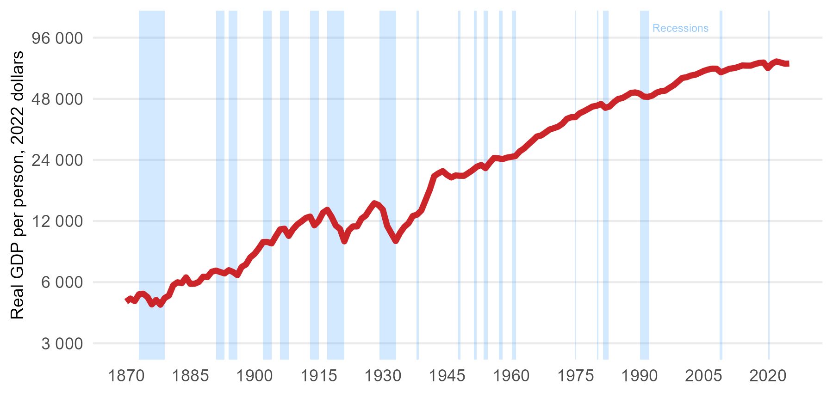
1962 Q2 | 26267.190521
1962 Q3 | 26467.350484
1962 Q4 | 26851.107075
1963 Q1 | 26907.740262
1963 Q2 | 27187.647183
1963 Q3 | 27249.802475
1963 Q4 | 27959.582515
1964 Q1 | 28538.243733
1964 Q2 | 28525.901223
1964 Q3 | 28676.696345
1964 Q4 | 28679.561409
1965 Q1 | 29468.955622
1965 Q2 | 29621.792612
1965 Q3 | 29882.554646
1965 Q4 | 30461.677629
1966 Q1 | 30929.312926
1966 Q2 | 31467.02947
1966 Q3 | 31280.99501
1966 Q4 | 31514.607788
1967 Q1 | 31316.129937
1967 Q2 | 31845.747051
1967 Q3 | 31780.240589
1967 Q4 | 31767.726668
1968 Q1 | 31926.441406
1968 Q2 | 32684.699423
1968 Q3 | 33004.042974
1968 Q4 | 33324.392727
1969 Q1 | 33660.956935
1969 Q2 | 33699.419639
1969 Q3 | 33946.899968
1969 Q4 | 34291.246372
1970 Q1 | 34387.515357
1970 Q2 | 34290.012279
1970 Q3 | 34514.91026
1970 Q4 | 34444.555998
1971 Q1 | 34163.59597
1971 Q2 | 35066.368371
1971 Q3 | 35315.073595
1971 Q4 | 35575.980036
1972 Q1 | 35371.476478
1972 Q2 | 36281.568719
1972 Q3 | 36275.321128
1972 Q4 | 37010.725855
1973 Q1 | 37860.462333
1973 Q2 | 38122.820742
1973 Q3 | 38152.976469
1973 Q4 | 38721.439527
1974 Q1 | 38905.390645
1974 Q2 | 39176.917284
1974 Q3 | 39038.939282
1974 Q4 | 38666.999813
1975 Q1 | 38336.177533
1975 Q2 | 38710.417329
1975 Q3 | 39292.348108
1975 Q4 | 39580.601005
1976 Q1 | 40160.435525
1976 Q2 | 40911.241568
1976 Q3 | 40959.9842
1976 Q4 | 40880.152177
1977 Q1 | 41404.878716
1977 Q2 | 41501.777139
1977 Q3 | 41624.135118
1977 Q4 | 42149.418351
1978 Q1 | 42427.752924
1978 Q2 | 42619.707336
1978 Q3 | 42910.439932
1978 Q4 | 43205.079354
1979 Q1 | 43465.756987
1979 Q2 | 43939.621281
1979 Q3 | 44127.556156
1979 Q4 | 44281.817139
1980 Q1 | 44467.811189
1980 Q2 | 44315.619238
1980 Q3 | 44102.92919
1980 Q4 | 44553.472517
1981 Q1 | 45399.236707
1981 Q2 | 45770.411029
1981 Q3 | 45199.73241
1981 Q4 | 44810.94356
1982 Q1 | 44193.295203
1982 Q2 | 43574.880705
1982 Q3 | 43059.70897
1982 Q4 | 42532.648782
1983 Q1 | 43143.334475
1983 Q2 | 43894.39497
1983 Q3 | 44271.893545
1983 Q4 | 44702.981258
1984 Q1 | 45391.199106
1984 Q2 | 46167.897493
1984 Q3 | 46244.732566
1984 Q4 | 46837.305788
1985 Q1 | 47476.480194
1985 Q2 | 47530.237908
1985 Q3 | 48008.093685
1985 Q4 | 48603.32821
1986 Q1 | 48489.602302
1986 Q2 | 48661.085197
1986 Q3 | 48571.693304
1986 Q4 | 48059.226231
1987 Q1 | 49041.785806
1987 Q2 | 49499.916293
1987 Q3 | 50065.73584
1987 Q4 | 50529.54959
1988 Q1 | 51150.214358
1988 Q2 | 51455.487353
1988 Q3 | 51246.874285
1988 Q4 | 51328.598333
1989 Q1 | 51730.185088
1989 Q2 | 51710.626421
1989 Q3 | 51651.876468
1989 Q4 | 51312.205925
1990 Q1 | 51690.877045
1990 Q2 | 51289.983498
1990 Q3 | 50694.414708
1990 Q4 | 50032.621735
1991 Q1 | 49229.161815
1991 Q2 | 49334.421027
1991 Q3 | 49208.536344
1991 Q4 | 49137.438378
1992 Q1 | 49077.639899
1992 Q2 | 48980.238577
1992 Q3 | 49069.251828
1992 Q4 | 49170.473609
1993 Q1 | 49379.612894
1993 Q2 | 49712.221087
1993 Q3 | 50040.849682
1993 Q4 | 50077.080104
1994 Q1 | 50728.836199
1994 Q2 | 51341.785103
1994 Q3 | 51832.866321
1994 Q4 | 52037.655362
1995 Q1 | 52433.734113
1995 Q2 | 52330.957691
1995 Q3 | 52237.799479
1995 Q4 | 52280.970171
1996 Q1 | 52266.901504
1996 Q2 | 52518.861676
1996 Q3 | 52788.25613
1996 Q4 | 53030.999227
1997 Q1 | 53663.298894
1997 Q2 | 54146.217149
1997 Q3 | 54627.022871
1997 Q4 | 54991.570274
1998 Q1 | 55705.429437
1998 Q2 | 55639.182095
1998 Q3 | 56006.535527
1998 Q4 | 56621.822424
1999 Q1 | 57589.906174
1999 Q2 | 57960.342331
1999 Q3 | 58701.166726
1999 Q4 | 59346.248117
2000 Q1 | 60208.771312
2000 Q2 | 60781.686257
2000 Q3 | 61221.232596
2000 Q4 | 61146.555848
2001 Q1 | 61410.008659
2001 Q2 | 61430.637351
2001 Q3 | 61170.055848
2001 Q4 | 61323.389995
2002 Q1 | 62140.158039
2002 Q2 | 62339.731579
2002 Q3 | 62665.210677
2002 Q4 | 62826.123174
2003 Q1 | 63117.996796
2003 Q2 | 62886.751713
2003 Q3 | 62936.108137
2003 Q4 | 63181.691042
2004 Q1 | 63561.83958
2004 Q2 | 64175.641547
2004 Q3 | 64743.087363
2004 Q4 | 65008.029933
2005 Q1 | 65160.836143
2005 Q2 | 65497.916218
2005 Q3 | 66081.629557
2005 Q4 | 66509.821969
2006 Q1 | 66963.721158
2006 Q2 | 66841.916018
2006 Q3 | 66822.175346
2006 Q4 | 66863.196751
2007 Q1 | 67213.80655
2007 Q2 | 67721.913985
2007 Q3 | 67762.933138
2007 Q4 | 67619.601937
2008 Q1 | 67571.357412
2008 Q2 | 67659.659663
2008 Q3 | 67969.630988
2008 Q4 | 66927.97891
2009 Q1 | 65310.498626
2009 Q2 | 64442.99763
2009 Q3 | 64504.540478
2009 Q4 | 65005.609399
2010 Q1 | 65695.026122
2010 Q2 | 65880.329521
2010 Q3 | 66116.308033
2010 Q4 | 66609.964042
2011 Q1 | 67050.272247
2011 Q2 | 67046.543813
2011 Q3 | 67748.836854
2011 Q4 | 68052.42797
2012 Q1 | 67980.334296
2012 Q2 | 68051.163063
2012 Q3 | 67906.366
2012 Q4 | 67808.627986
2013 Q1 | 68323.762823
2013 Q2 | 68570.243678
2013 Q3 | 68888.900674
2013 Q4 | 69355.616945
2014 Q1 | 69399.056333
2014 Q2 | 69885.901634
2014 Q3 | 70329.758599
2014 Q4 | 70574.382189
2015 Q1 | 70150.387891
2015 Q2 | 69888.756775
2015 Q3 | 69946.976036
2015 Q4 | 69760.643461
2016 Q1 | 70079.715451
2016 Q2 | 69538.856902
2016 Q3 | 69987.352451
2016 Q4 | 70095.393988
2017 Q1 | 70868.571136
2017 Q2 | 71449.079673
2017 Q3 | 71182.200422
2017 Q4 | 71198.512877
2018 Q1 | 71870.60843
2018 Q2 | 72230.84959
2018 Q3 | 72264.364426
2018 Q4 | 72071.32023
2019 Q1 | 72094.867738
2019 Q2 | 72688.894739
2019 Q3 | 72540.943468
2019 Q4 | 72344.842825
2020 Q1 | 70747.055179
2020 Q2 | 62834.488095
2020 Q3 | 68502.961349
2020 Q4 | 69791.969607
2021 Q1 | 70923.323618
2021 Q2 | 70686.739244
2021 Q3 | 71924.142383
2021 Q4 | 72817.683595
2022 Q1 | 73211.793876
2022 Q2 | 73675.842295
2022 Q3 | 73639.174235
2022 Q4 | 72890.473241
2023 Q1 | 73132.410682
2023 Q2 | 72876.345267
2023 Q3 | 72168.065177
2023 Q4 | 71526.701469
2024 Q1 | 71430.170721
2024 Q2 | 71436.28828
2024 Q3 | 71426.632699
2024 Q4 | 71484.88817
2025 Q1 | 71735.789178
2025 Q2 | 71415.745618

Fig 8.3
Date | Durable and semi-durable goods | Gross fixed capital formation | Non-durable goods | Services
1975 Q1 | 50405 | 138009 | 154467 | 190309
1975 Q2 | 51605 | 141817 | 156223 | 191429
1975 Q3 | 54136 | 147437 | 155971 | 194112
1975 Q4 | 56426 | 149880 | 157317 | 195610
1976 Q1 | 54172 | 151434 | 158152 | 199628
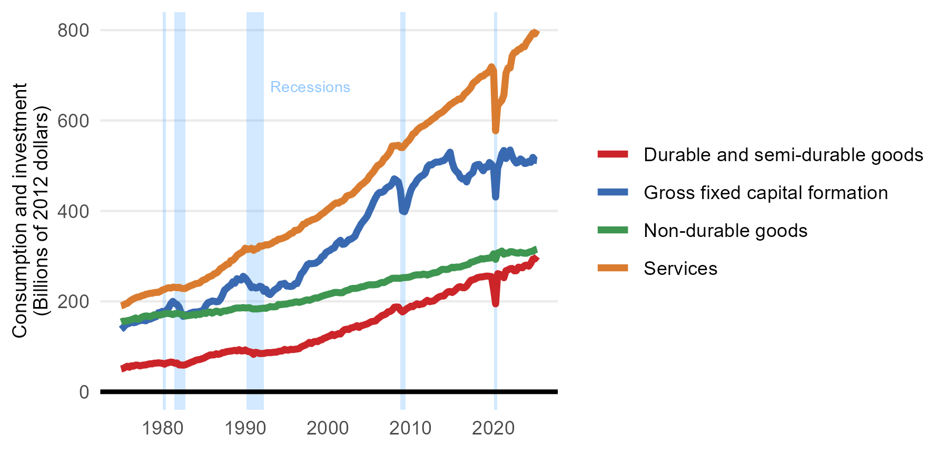
1976 Q2 | 57489 | 156543 | 159556 | 203103
1976 Q3 | 56623 | 152617 | 161053 | 205401
1976 Q4 | 58988 | 153524 | 163393 | 207898
1977 Q1 | 58911 | 155804 | 160038 | 209418
1977 Q2 | 57233 | 156982 | 161903 | 210031
1977 Q3 | 58237 | 158726 | 165005 | 212522
1977 Q4 | 59217 | 157559 | 166805 | 213386
1978 Q1 | 59305 | 156967 | 167798 | 215826
1978 Q2 | 60885 | 160699 | 167273 | 216425
1978 Q3 | 61928 | 160562 | 166042 | 217802
1978 Q4 | 61662 | 162627 | 167993 | 217895
1979 Q1 | 63293 | 164533 | 170390 | 219322
1979 Q2 | 63275 | 166124 | 169857 | 219879
1979 Q3 | 64146 | 174833 | 169497 | 219857
1979 Q4 | 63543 | 175730 | 169663 | 222197
1980 Q1 | 63015 | 177922 | 171110 | 225251
1980 Q2 | 60914 | 173517 | 172219 | 226471
1980 Q3 | 63624 | 180787 | 173191 | 228833
1980 Q4 | 64466 | 185881 | 173169 | 230132
1981 Q1 | 65735 | 194809 | 172319 | 229268
1981 Q2 | 65196 | 200033 | 170677 | 231448
1981 Q3 | 62991 | 195251 | 172708 | 230979
1981 Q4 | 63666 | 193231 | 173563 | 230071
1982 Q1 | 59462 | 187135 | 172848 | 231152
1982 Q2 | 59293 | 174430 | 171181 | 229033
1982 Q3 | 58893 | 166704 | 170617 | 228334
1982 Q4 | 59582 | 170642 | 167481 | 228409
1983 Q1 | 61598 | 169684 | 168293 | 231044
1983 Q2 | 63513 | 173169 | 168907 | 233362
1983 Q3 | 65616 | 174974 | 169552 | 235142
1983 Q4 | 67078 | 176116 | 170971 | 236810
1984 Q1 | 69504 | 176642 | 169545 | 239094
1984 Q2 | 70812 | 176342 | 172079 | 239763
1984 Q3 | 71280 | 177963 | 170832 | 240796
1984 Q4 | 73012 | 178038 | 172603 | 245301
1985 Q1 | 74302 | 182384 | 174478 | 247581
1985 Q2 | 77112 | 191000 | 173108 | 249096
1985 Q3 | 79336 | 197035 | 176190 | 253206
1985 Q4 | 81518 | 198760 | 176529 | 254951
1986 Q1 | 81460 | 200794 | 173824 | 256899
1986 Q2 | 81632 | 200286 | 176280 | 260948
1986 Q3 | 84139 | 198973 | 178505 | 262463
1986 Q4 | 82760 | 199586 | 177367 | 266192
1987 Q1 | 84012 | 204679 | 175000 | 272280
1987 Q2 | 86608 | 213922 | 177903 | 274595
1987 Q3 | 87038 | 225029 | 178959 | 278124
1987 Q4 | 88841 | 228574 | 178753 | 281816
1988 Q1 | 89332 | 233016 | 180714 | 282831
1988 Q2 | 90091 | 235459 | 181045 | 290006
1988 Q3 | 90733 | 243317 | 182987 | 290892
1988 Q4 | 91738 | 240014 | 184633 | 295415
1989 Q1 | 90277 | 250198 | 185397 | 301685
1989 Q2 | 93177 | 248191 | 185274 | 305089
1989 Q3 | 90319 | 247061 | 185436 | 307555
1989 Q4 | 90439 | 255415 | 186392 | 310607
1990 Q1 | 92618 | 251583 | 185367 | 317680
1990 Q2 | 89583 | 245503 | 185683 | 314453
1990 Q3 | 88600 | 238767 | 186105 | 315682
1990 Q4 | 87393 | 230205 | 184008 | 317476
1991 Q1 | 82624 | 232129 | 183120 | 312764
1991 Q2 | 87346 | 229477 | 183286 | 315770
1991 Q3 | 86252 | 230225 | 183141 | 317090
1991 Q4 | 84374 | 233427 | 184032 | 322539
1992 Q1 | 84729 | 231808 | 184344 | 321768
1992 Q2 | 84737 | 222221 | 185066 | 323502
1992 Q3 | 85995 | 226708 | 184554 | 325400
1992 Q4 | 86717 | 217324 | 186443 | 324717
1993 Q1 | 86403 | 214916 | 188392 | 326733
1993 Q2 | 86917 | 220024 | 187884 | 328827
1993 Q3 | 87573 | 224794 | 187790 | 332345
1993 Q4 | 87472 | 227897 | 188414 | 333725
1994 Q1 | 89300 | 230849 | 193172 | 337525
1994 Q2 | 89942 | 238097 | 192546 | 338057
1994 Q3 | 90449 | 238245 | 193252 | 339346
1994 Q4 | 93780 | 239923 | 193763 | 341479
1995 Q1 | 92101 | 233962 | 194106 | 343244
1995 Q2 | 92174 | 233410 | 195407 | 346827
1995 Q3 | 94018 | 232846 | 196384 | 350258
1995 Q4 | 93213 | 233966 | 196687 | 351232
1996 Q1 | 94005 | 239120 | 198617 | 357165
1996 Q2 | 94610 | 239181 | 198802 | 356919
1996 Q3 | 95369 | 248949 | 197621 | 359027
1996 Q4 | 99159 | 260828 | 198972 | 364020
1997 Q1 | 101272 | 265675 | 200160 | 370686
1997 Q2 | 103127 | 272867 | 202344 | 371440
1997 Q3 | 105754 | 281110 | 203327 | 376010
1997 Q4 | 109258 | 283836 | 202251 | 377009
1998 Q1 | 106589 | 283245 | 203961 | 379842
1998 Q2 | 110477 | 283876 | 206272 | 381404
1998 Q3 | 111389 | 284439 | 207685 | 382787
1998 Q4 | 110854 | 287616 | 207324 | 385486
1999 Q1 | 114024 | 290806 | 209435 | 389253
1999 Q2 | 114888 | 298230 | 211253 | 393278
1999 Q3 | 118355 | 300631 | 212858 | 395813
1999 Q4 | 119620 | 307982 | 214308 | 400111
2000 Q1 | 122143 | 310747 | 215468 | 403834
2000 Q2 | 123561 | 312869 | 216790 | 407372
2000 Q3 | 127049 | 316629 | 217883 | 411399
2000 Q4 | 124032 | 318056 | 219611 | 415222
2001 Q1 | 126618 | 326713 | 219831 | 417970
2001 Q2 | 128549 | 331048 | 219339 | 416988
2001 Q3 | 127687 | 335110 | 218880 | 420504
2001 Q4 | 133623 | 326066 | 219148 | 421902
2002 Q1 | 137346 | 326889 | 222405 | 425763
2002 Q2 | 138395 | 331299 | 224049 | 432792
2002 Q3 | 137600 | 336481 | 225047 | 434646
2002 Q4 | 141117 | 337392 | 227750 | 435723
2003 Q1 | 141978 | 340437 | 228665 | 438155
2003 Q2 | 143641 | 343831 | 228625 | 443408
2003 Q3 | 146229 | 354634 | 229005 | 447661
2003 Q4 | 142261 | 362701 | 230245 | 453209
2004 Q1 | 146121 | 371184 | 232213 | 457750
2004 Q2 | 147100 | 377042 | 232486 | 460559
2004 Q3 | 148787 | 382524 | 233992 | 465052
2004 Q4 | 150083 | 389065 | 235812 | 468801
2005 Q1 | 152870 | 399625 | 236690 | 476798
2005 Q2 | 155175 | 409261 | 236479 | 481903
2005 Q3 | 155872 | 420321 | 236595 | 487053
2005 Q4 | 156641 | 429284 | 237069 | 494312
2006 Q1 | 161509 | 437186 | 237692 | 500593
2006 Q2 | 164679 | 441066 | 240122 | 502677
2006 Q3 | 168480 | 440979 | 241807 | 506754
2006 Q4 | 170012 | 443424 | 241437 | 515114
2007 Q1 | 172070 | 449825 | 243714 | 518848
2007 Q2 | 176946 | 453157 | 246751 | 524668
2007 Q3 | 177492 | 455030 | 248277 | 531680
2007 Q4 | 180561 | 460475 | 251014 | 543516
2008 Q1 | 186928 | 471011 | 251204 | 543949
2008 Q2 | 187619 | 468083 | 251193 | 544256
2008 Q3 | 187348 | 464054 | 251034 | 545287
2008 Q4 | 180663 | 444913 | 250876 | 540462
2009 Q1 | 176622 | 400087 | 252525 | 540144
2009 Q2 | 179727 | 398186 | 252485 | 545489
2009 Q3 | 183761 | 410666 | 252861 | 551646
2009 Q4 | 186151 | 430021 | 253255 | 555599
2010 Q1 | 189285 | 445192 | 254699 | 561913
2010 Q2 | 188104 | 454670 | 256492 | 570103
2010 Q3 | 191976 | 459829 | 258126 | 572580
2010 Q4 | 194654 | 467934 | 258602 | 578687
2011 Q1 | 192404 | 472905 | 258713 | 582825
2011 Q2 | 193850 | 476987 | 258628 | 586099
2011 Q3 | 194581 | 478900 | 260349 | 587820
2011 Q4 | 198980 | 483591 | 259667 | 590478
2012 Q1 | 202277 | 497002 | 258152 | 594825
2012 Q2 | 199261 | 502206 | 259916 | 597356
2012 Q3 | 200127 | 501494 | 261313 | 601559
2012 Q4 | 200922 | 505123 | 263197 | 604730
2013 Q1 | 204314 | 507906 | 263418 | 607864
2013 Q2 | 208181 | 508021 | 264649 | 612747
2013 Q3 | 210540 | 508568 | 267603 | 615404
2013 Q4 | 211776 | 510392 | 270651 | 617873
2014 Q1 | 211816 | 511565 | 270750 | 621502
2014 Q2 | 217484 | 516002 | 270448 | 626356
2014 Q3 | 221190 | 523084 | 270762 | 630510
2014 Q4 | 221951 | 530022 | 273240 | 635391
2015 Q1 | 219501 | 507681 | 275517 | 637681
2015 Q2 | 222678 | 493691 | 274219 | 641353
2015 Q3 | 227291 | 487400 | 275902 | 643590
2015 Q4 | 231524 | 483499 | 275776 | 647567
2016 Q1 | 232617 | 473959 | 276066 | 646870
2016 Q2 | 230173 | 470522 | 278054 | 651907
2016 Q3 | 230168 | 471885 | 279287 | 658795
2016 Q4 | 233917 | 464132 | 280645 | 662526
2017 Q1 | 240610 | 477459 | 281851 | 667396
2017 Q2 | 246464 | 481152 | 286370 | 672660
2017 Q3 | 247754 | 484748 | 287324 | 681999
2017 Q4 | 249233 | 500029 | 288983 | 685968
2018 Q1 | 252131 | 502230 | 290896 | 689326
2018 Q2 | 253312 | 502914 | 291989 | 693971
2018 Q3 | 254039 | 495344 | 294616 | 697757
2018 Q4 | 254380 | 488830 | 293540 | 698379
2019 Q1 | 255561 | 497737 | 294521 | 702943
2019 Q2 | 255903 | 496572 | 295276 | 704861
2019 Q3 | 255410 | 507190 | 295671 | 710504
2019 Q4 | 254820 | 503267 | 296403 | 718891
2020 Q1 | 227198 | 495226 | 305189 | 709871
2020 Q2 | 194365 | 430683 | 292876 | 577302
2020 Q3 | 261288 | 495131 | 307068 | 633660
2020 Q4 | 259897 | 508243 | 308629 | 639032
2021 Q1 | 257915 | 525670 | 311324 | 644406
2021 Q2 | 252155 | 533752 | 304233 | 656739
2021 Q3 | 267853 | 515892 | 306939 | 704778
2021 Q4 | 269595 | 523969 | 306455 | 716397
2022 Q1 | 272200 | 534800 | 309934 | 716205
2022 Q2 | 272780 | 520613 | 309850 | 742689
2022 Q3 | 267503 | 511793 | 308227 | 750273
2022 Q4 | 267717 | 505933 | 307058 | 751914
2023 Q1 | 275604 | 507837 | 306658 | 757171
2023 Q2 | 274996 | 515014 | 308662 | 758280
2023 Q3 | 274218 | 511658 | 307101 | 763307
2023 Q4 | 279255 | 504861 | 306524 | 763178
2024 Q1 | 280298 | 505618 | 306410 | 773377
2024 Q2 | 277684 | 509764 | 308471 | 779522
2024 Q3 | 283959 | 507456 | 310027 | 786452
2024 Q4 | 293464 | 518483 | 310890 | 793133
2025 Q1 | 293914 | 511943 | 314116 | 791536
2025 Q2 | 299720 | 511490 | 315410 | 799993

Fig 8.4
Date | Estimates | Value
1975 Q1 | Investment in inventories | 8995
1975 Q2 | Investment in inventories | 2412
1975 Q3 | Investment in inventories | 909
1975 Q4 | Investment in inventories | 2001
1976 Q1 | Investment in inventories | 8454
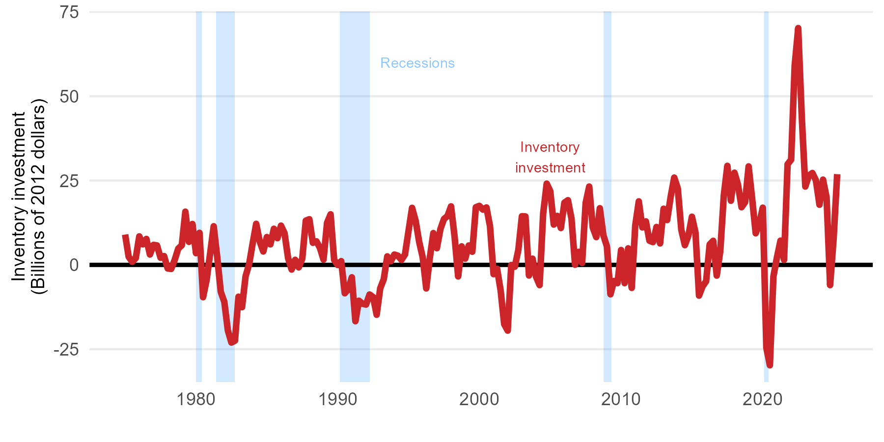
1976 Q2 | Investment in inventories | 6091
1976 Q3 | Investment in inventories | 7691
1976 Q4 | Investment in inventories | 3074
1977 Q1 | Investment in inventories | 5926
1977 Q2 | Investment in inventories | 5767
1977 Q3 | Investment in inventories | 2118
1977 Q4 | Investment in inventories | 2609
1978 Q1 | Investment in inventories | -1052
1978 Q2 | Investment in inventories | -1201
1978 Q3 | Investment in inventories | 1495
1978 Q4 | Investment in inventories | 4836
1979 Q1 | Investment in inventories | 5805
1979 Q2 | Investment in inventories | 15781
1979 Q3 | Investment in inventories | 6829
1979 Q4 | Investment in inventories | 12129
1980 Q1 | Investment in inventories | 3472
1980 Q2 | Investment in inventories | 9506
1980 Q3 | Investment in inventories | -9589
1980 Q4 | Investment in inventories | -4486
1981 Q1 | Investment in inventories | 3404
1981 Q2 | Investment in inventories | 11452
1981 Q3 | Investment in inventories | 2293
1981 Q4 | Investment in inventories | -7991
1982 Q1 | Investment in inventories | -10955
1982 Q2 | Investment in inventories | -19434
1982 Q3 | Investment in inventories | -23033
1982 Q4 | Investment in inventories | -22476
1983 Q1 | Investment in inventories | -9436
1983 Q2 | Investment in inventories | -12547
1983 Q3 | Investment in inventories | -3399
1983 Q4 | Investment in inventories | 193
1984 Q1 | Investment in inventories | 6361
1984 Q2 | Investment in inventories | 12174
1984 Q3 | Investment in inventories | 6919
1984 Q4 | Investment in inventories | 3973
1985 Q1 | Investment in inventories | 8248
1985 Q2 | Investment in inventories | 6086
1985 Q3 | Investment in inventories | 10714
1985 Q4 | Investment in inventories | 7921
1986 Q1 | Investment in inventories | 11642
1986 Q2 | Investment in inventories | 9392
1986 Q3 | Investment in inventories | 2033
1986 Q4 | Investment in inventories | -1380
1987 Q1 | Investment in inventories | 1507
1987 Q2 | Investment in inventories | -733
1987 Q3 | Investment in inventories | 1825
1987 Q4 | Investment in inventories | 13117
1988 Q1 | Investment in inventories | 13536
1988 Q2 | Investment in inventories | 6553
1988 Q3 | Investment in inventories | 6999
1988 Q4 | Investment in inventories | 5026
1989 Q1 | Investment in inventories | 1557
1989 Q2 | Investment in inventories | 12462
1989 Q3 | Investment in inventories | 14991
1989 Q4 | Investment in inventories | 1492
1990 Q1 | Investment in inventories | -34
1990 Q2 | Investment in inventories | 1114
1990 Q3 | Investment in inventories | -8419
1990 Q4 | Investment in inventories | -7196
1991 Q1 | Investment in inventories | -3682
1991 Q2 | Investment in inventories | -16702
1991 Q3 | Investment in inventories | -10624
1991 Q4 | Investment in inventories | -11505
1992 Q1 | Investment in inventories | -11775
1992 Q2 | Investment in inventories | -8782
1992 Q3 | Investment in inventories | -9529
1992 Q4 | Investment in inventories | -14787
1993 Q1 | Investment in inventories | -6973
1993 Q2 | Investment in inventories | -4258
1993 Q3 | Investment in inventories | 2522
1993 Q4 | Investment in inventories | 1091
1994 Q1 | Investment in inventories | 3066
1994 Q2 | Investment in inventories | 2718
1994 Q3 | Investment in inventories | 1467
1994 Q4 | Investment in inventories | 3096
1995 Q1 | Investment in inventories | 10067
1995 Q2 | Investment in inventories | 16914
1995 Q3 | Investment in inventories | 13111
1995 Q4 | Investment in inventories | 6851
1996 Q1 | Investment in inventories | 2236
1996 Q2 | Investment in inventories | -6982
1996 Q3 | Investment in inventories | 2043
1996 Q4 | Investment in inventories | 9423
1997 Q1 | Investment in inventories | 4944
1997 Q2 | Investment in inventories | 10625
1997 Q3 | Investment in inventories | 13592
1997 Q4 | Investment in inventories | 14488
1998 Q1 | Investment in inventories | 17358
1998 Q2 | Investment in inventories | 8374
1998 Q3 | Investment in inventories | -3425
1998 Q4 | Investment in inventories | 5494
1999 Q1 | Investment in inventories | 1847
1999 Q2 | Investment in inventories | 5752
1999 Q3 | Investment in inventories | 3907
1999 Q4 | Investment in inventories | 17092
2000 Q1 | Investment in inventories | 17497
2000 Q2 | Investment in inventories | 16387
2000 Q3 | Investment in inventories | 17026
2000 Q4 | Investment in inventories | 11458
2001 Q1 | Investment in inventories | -2743
2001 Q2 | Investment in inventories | -1148
2001 Q3 | Investment in inventories | -7576
2001 Q4 | Investment in inventories | -17563
2002 Q1 | Investment in inventories | -19499
2002 Q2 | Investment in inventories | -32
2002 Q3 | Investment in inventories | -544
2002 Q4 | Investment in inventories | 4457
2003 Q1 | Investment in inventories | 14429
2003 Q2 | Investment in inventories | 14360
2003 Q3 | Investment in inventories | -3150
2003 Q4 | Investment in inventories | 1842
2004 Q1 | Investment in inventories | -3539
2004 Q2 | Investment in inventories | -5998
2004 Q3 | Investment in inventories | 15178
2004 Q4 | Investment in inventories | 24093
2005 Q1 | Investment in inventories | 21887
2005 Q2 | Investment in inventories | 11952
2005 Q3 | Investment in inventories | 14519
2005 Q4 | Investment in inventories | 10931
2006 Q1 | Investment in inventories | 18445
2006 Q2 | Investment in inventories | 19174
2006 Q3 | Investment in inventories | 13731
2006 Q4 | Investment in inventories | 44
2007 Q1 | Investment in inventories | 3856
2007 Q2 | Investment in inventories | 570
2007 Q3 | Investment in inventories | 18357
2007 Q4 | Investment in inventories | 23227
2008 Q1 | Investment in inventories | 11118
2008 Q2 | Investment in inventories | 8236
2008 Q3 | Investment in inventories | 16800
2008 Q4 | Investment in inventories | 8777
2009 Q1 | Investment in inventories | 5474
2009 Q2 | Investment in inventories | -8724
2009 Q3 | Investment in inventories | -4779
2009 Q4 | Investment in inventories | -5403
2010 Q1 | Investment in inventories | 4407
2010 Q2 | Investment in inventories | -5411
2010 Q3 | Investment in inventories | 4900
2010 Q4 | Investment in inventories | -6825
2011 Q1 | Investment in inventories | 11691
2011 Q2 | Investment in inventories | 18831
2011 Q3 | Investment in inventories | 11110
2011 Q4 | Investment in inventories | 12899
2012 Q1 | Investment in inventories | 7176
2012 Q2 | Investment in inventories | 6758
2012 Q3 | Investment in inventories | 11236
2012 Q4 | Investment in inventories | 6365
2013 Q1 | Investment in inventories | 16650
2013 Q2 | Investment in inventories | 13293
2013 Q3 | Investment in inventories | 20225
2013 Q4 | Investment in inventories | 25883
2014 Q1 | Investment in inventories | 22680
2014 Q2 | Investment in inventories | 10406
2014 Q3 | Investment in inventories | 5842
2014 Q4 | Investment in inventories | 8687
2015 Q1 | Investment in inventories | 14284
2015 Q2 | Investment in inventories | 9598
2015 Q3 | Investment in inventories | -9116
2015 Q4 | Investment in inventories | -6372
2016 Q1 | Investment in inventories | -4863
2016 Q2 | Investment in inventories | 6058
2016 Q3 | Investment in inventories | 7136
2016 Q4 | Investment in inventories | -3177
2017 Q1 | Investment in inventories | 4094
2017 Q2 | Investment in inventories | 20653
2017 Q3 | Investment in inventories | 29369
2017 Q4 | Investment in inventories | 19020
2018 Q1 | Investment in inventories | 27335
2018 Q2 | Investment in inventories | 23786
2018 Q3 | Investment in inventories | 17087
2018 Q4 | Investment in inventories | 18580
2019 Q1 | Investment in inventories | 29199
2019 Q2 | Investment in inventories | 19587
2019 Q3 | Investment in inventories | 9360
2019 Q4 | Investment in inventories | 12226
2020 Q1 | Investment in inventories | 16961
2020 Q2 | Investment in inventories | -24556
2020 Q3 | Investment in inventories | -29778
2020 Q4 | Investment in inventories | -3438
2021 Q1 | Investment in inventories | 2220
2021 Q2 | Investment in inventories | 7187
2021 Q3 | Investment in inventories | 1472
2021 Q4 | Investment in inventories | 29843
2022 Q1 | Investment in inventories | 31178
2022 Q2 | Investment in inventories | 59075
2022 Q3 | Investment in inventories | 70210
2022 Q4 | Investment in inventories | 44021
2023 Q1 | Investment in inventories | 23222
2023 Q2 | Investment in inventories | 26466
2023 Q3 | Investment in inventories | 27242
2023 Q4 | Investment in inventories | 25059
2024 Q1 | Investment in inventories | 17829
2024 Q2 | Investment in inventories | 25277
2024 Q3 | Investment in inventories | 20033
2024 Q4 | Investment in inventories | -6002
2025 Q1 | Investment in inventories | 7913
2025 Q2 | Investment in inventories | 26898

Fig 8.5
Date | Exports | Imports
1975 Q1 | 115565 | 123140
1975 Q2 | 116955 | 120263
1975 Q3 | 116570 | 119983
1975 Q4 | 116207 | 121978
1976 Q1 | 119853 | 126821
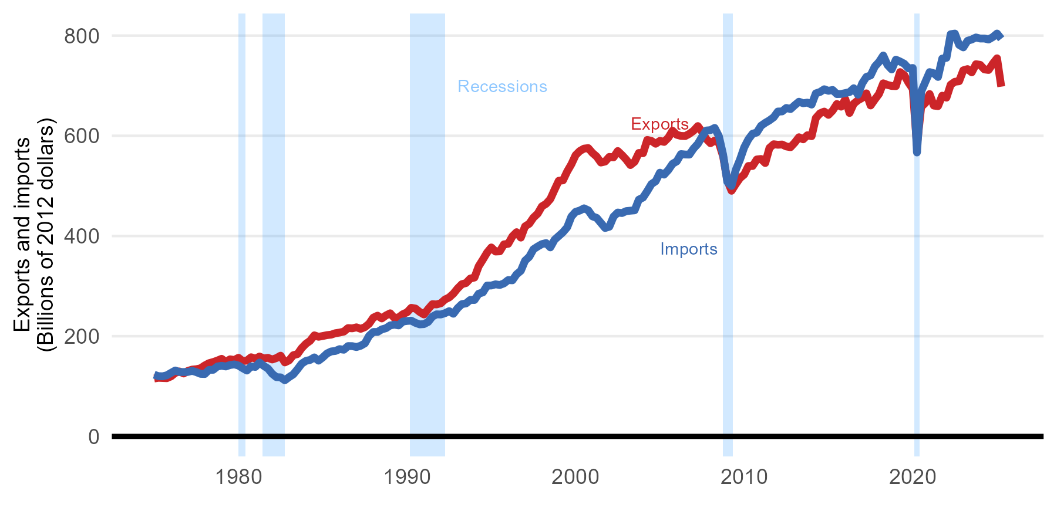
1976 Q2 | 126696 | 131548
1976 Q3 | 129643 | 128553
1976 Q4 | 125529 | 128509
1977 Q1 | 130736 | 128653
1977 Q2 | 133319 | 130855
1977 Q3 | 134134 | 128259
1977 Q4 | 135970 | 124899
1978 Q1 | 141636 | 124553
1978 Q2 | 146118 | 132764
1978 Q3 | 148443 | 132943
1978 Q4 | 151394 | 139601
1979 Q1 | 154902 | 140935
1979 Q2 | 148685 | 139588
1979 Q3 | 153882 | 142496
1979 Q4 | 152546 | 143689
1980 Q1 | 156948 | 141513
1980 Q2 | 150399 | 136109
1980 Q3 | 151273 | 131451
1980 Q4 | 158001 | 139916
1981 Q1 | 155166 | 138675
1981 Q2 | 159437 | 147403
1981 Q3 | 155706 | 140737
1981 Q4 | 156816 | 135426
1982 Q1 | 153505 | 124958
1982 Q2 | 156397 | 118266
1982 Q3 | 161130 | 117851
1982 Q4 | 147639 | 112011
1983 Q1 | 151714 | 118311
1983 Q2 | 162062 | 123775
1983 Q3 | 164306 | 134025
1983 Q4 | 176228 | 145165
1984 Q1 | 184888 | 150727
1984 Q2 | 190881 | 152619
1984 Q3 | 201733 | 157697
1984 Q4 | 198852 | 151200
1985 Q1 | 200366 | 157625
1985 Q2 | 202128 | 165500
1985 Q3 | 203129 | 169588
1985 Q4 | 205979 | 170550
1986 Q1 | 207259 | 174205
1986 Q2 | 209171 | 172993
1986 Q3 | 216231 | 180307
1986 Q4 | 215671 | 180154
1987 Q1 | 217724 | 178356
1987 Q2 | 214706 | 180958
1987 Q3 | 218082 | 185794
1987 Q4 | 224983 | 200785
1988 Q1 | 237087 | 208448
1988 Q2 | 241019 | 208480
1988 Q3 | 235441 | 213611
1988 Q4 | 241479 | 215935
1989 Q1 | 245738 | 221541
1989 Q2 | 236272 | 223038
1989 Q3 | 237605 | 221537
1989 Q4 | 243936 | 229211
1990 Q1 | 247653 | 230451
1990 Q2 | 256667 | 231011
1990 Q3 | 255179 | 226643
1990 Q4 | 248406 | 223608
1991 Q1 | 243338 | 224153
1991 Q2 | 254099 | 228475
1991 Q3 | 263847 | 239050
1991 Q4 | 263412 | 243633
1992 Q1 | 265729 | 243333
1992 Q2 | 273246 | 245926
1992 Q3 | 277420 | 250009
1992 Q4 | 285010 | 244810
1993 Q1 | 295333 | 255921
1993 Q2 | 303793 | 263966
1993 Q3 | 306126 | 265491
1993 Q4 | 315043 | 272434
1994 Q1 | 317103 | 272298
1994 Q2 | 339637 | 284839
1994 Q3 | 353026 | 287465
1994 Q4 | 367014 | 301101
1995 Q1 | 377157 | 301160
1995 Q2 | 369008 | 303572
1995 Q3 | 369390 | 302222
1995 Q4 | 383332 | 305453
1996 Q1 | 384408 | 312064
1996 Q2 | 399326 | 311577
1996 Q3 | 407651 | 323611
1996 Q4 | 396761 | 330574
1997 Q1 | 419228 | 350712
1997 Q2 | 424556 | 358495
1997 Q3 | 436775 | 373575
1997 Q4 | 444657 | 379040
1998 Q1 | 459134 | 383823
1998 Q2 | 464300 | 385903
1998 Q3 | 473720 | 377232
1998 Q4 | 492298 | 392484
1999 Q1 | 510280 | 400011
1999 Q2 | 511000 | 407515
1999 Q3 | 528775 | 417350
1999 Q4 | 543312 | 438897
2000 Q1 | 561401 | 448251
2000 Q2 | 569730 | 450832
2000 Q3 | 574443 | 455248
2000 Q4 | 575471 | 451265
2001 Q1 | 565825 | 439234
2001 Q2 | 558503 | 436147
2001 Q3 | 546657 | 426137
2001 Q4 | 548610 | 415972
2002 Q1 | 557915 | 418516
2002 Q2 | 557025 | 438630
2002 Q3 | 569640 | 446853
2002 Q4 | 561661 | 445815
2003 Q1 | 552664 | 449683
2003 Q2 | 541594 | 450547
2003 Q3 | 548221 | 451247
2003 Q4 | 565761 | 472563
2004 Q1 | 565206 | 476771
2004 Q2 | 591796 | 489625
2004 Q3 | 589849 | 503689
2004 Q4 | 584139 | 509373
2005 Q1 | 589934 | 526412
2005 Q2 | 587785 | 522541
2005 Q3 | 596248 | 531724
2005 Q4 | 610182 | 544076
2006 Q1 | 602039 | 549019
2006 Q2 | 599768 | 563522
2006 Q3 | 599465 | 562673
2006 Q4 | 604017 | 562491
2007 Q1 | 610097 | 574708
2007 Q2 | 619418 | 583850
2007 Q3 | 607994 | 598021
2007 Q4 | 593844 | 610546
2008 Q1 | 585213 | 611340
2008 Q2 | 590569 | 615759
2008 Q3 | 585825 | 599243
2008 Q4 | 559024 | 562385
2009 Q1 | 510893 | 508011
2009 Q2 | 490276 | 500023
2009 Q3 | 503446 | 531775
2009 Q4 | 515488 | 552424
2010 Q1 | 522667 | 576792
2010 Q2 | 539803 | 593040
2010 Q3 | 539704 | 604207
2010 Q4 | 552788 | 606590
2011 Q1 | 553765 | 619997
2011 Q2 | 545629 | 625892
2011 Q3 | 575786 | 630834
2011 Q4 | 583161 | 637038
2012 Q1 | 582134 | 648493
2012 Q2 | 582627 | 648668
2012 Q3 | 578728 | 655658
2012 Q4 | 577277 | 653388
2013 Q1 | 586400 | 661085
2013 Q2 | 597154 | 668071
2013 Q3 | 592954 | 665027
2013 Q4 | 601196 | 666266
2014 Q1 | 599213 | 662306
2014 Q2 | 635431 | 684667
2014 Q3 | 644921 | 687471
2014 Q4 | 648388 | 692956
2015 Q1 | 641770 | 689821
2015 Q2 | 650429 | 691493
2015 Q3 | 663503 | 683269
2015 Q4 | 658172 | 683540
2016 Q1 | 673120 | 685285
2016 Q2 | 645544 | 687237
2016 Q3 | 664193 | 694962
2016 Q4 | 670885 | 682072
2017 Q1 | 675574 | 704661
2017 Q2 | 684781 | 717598
2017 Q3 | 660523 | 720531
2017 Q4 | 672427 | 738226
2018 Q1 | 683701 | 747515
2018 Q2 | 704789 | 760345
2018 Q3 | 701558 | 741437
2018 Q4 | 699519 | 732492
2019 Q1 | 699150 | 752000
2019 Q2 | 727235 | 748263
2019 Q3 | 720979 | 743779
2019 Q4 | 705988 | 734522
2020 Q1 | 693669 | 735369
2020 Q2 | 580283 | 566685
2020 Q3 | 657665 | 688244
2020 Q4 | 665479 | 707770
2021 Q1 | 683414 | 727187
2021 Q2 | 660311 | 724786
2021 Q3 | 659260 | 717468
2021 Q4 | 680108 | 754130
2022 Q1 | 676180 | 755620
2022 Q2 | 702053 | 802756
2022 Q3 | 707885 | 804061
2022 Q4 | 708912 | 781531
2023 Q1 | 730770 | 776498
2023 Q2 | 733165 | 789660
2023 Q3 | 726639 | 792289
2023 Q4 | 742962 | 796312
2024 Q1 | 741624 | 794159
2024 Q2 | 732534 | 794175
2024 Q3 | 731408 | 792198
2024 Q4 | 744109 | 797086
2025 Q1 | 754705 | 804141
2025 Q2 | 698086 | 793594

Fig 8.6
Date | Employment
Jan 1976 | 9636.7
Feb 1976 | 9659.8
Mar 1976 | 9704.2
Apr 1976 | 9738.2
May 1976 | 9726.1
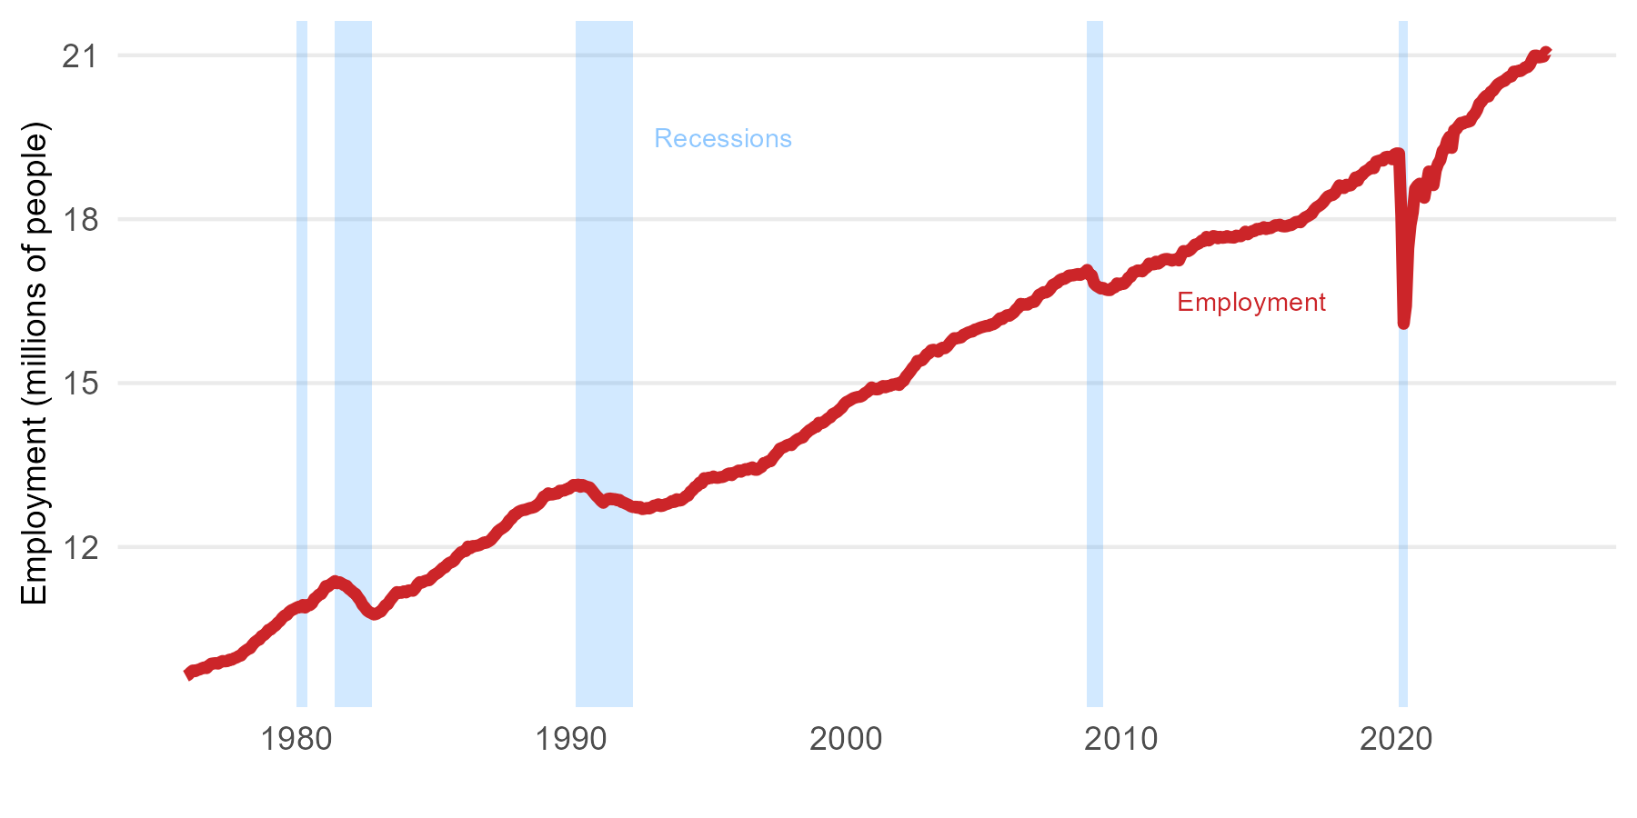
Jun 1976 | 9748.3
Jul 1976 | 9759.5
Aug 1976 | 9780.5
Sep 1976 | 9795.2
Oct 1976 | 9782.5
Nov 1976 | 9829
Dec 1976 | 9862.6
Jan 1977 | 9869.3
Feb 1977 | 9874.2
Mar 1977 | 9865.7
Apr 1977 | 9892.6
May 1977 | 9912
Jun 1977 | 9906.9
Jul 1977 | 9911.4
Aug 1977 | 9936.6
Sep 1977 | 9937
Oct 1977 | 9962.1
Nov 1977 | 9976.3
Dec 1977 | 10002.3
Jan 1978 | 10013
Feb 1978 | 10067.5
Mar 1978 | 10100.3
Apr 1978 | 10128.7
May 1978 | 10146.7
Jun 1978 | 10207.6
Jul 1978 | 10255
Aug 1978 | 10287.5
Sep 1978 | 10305.5
Oct 1978 | 10368.8
Nov 1978 | 10387.2
Dec 1978 | 10428.3
Jan 1979 | 10483.1
Feb 1979 | 10490
Mar 1979 | 10535.9
Apr 1979 | 10560.8
May 1979 | 10611.4
Jun 1979 | 10645.4
Jul 1979 | 10702.1
Aug 1979 | 10742.1
Sep 1979 | 10756.5
Oct 1979 | 10809
Nov 1979 | 10841.3
Dec 1979 | 10859.9
Jan 1980 | 10882.6
Feb 1980 | 10902.9
Mar 1980 | 10897.8
Apr 1980 | 10938.3
May 1980 | 10891.6
Jun 1980 | 10936.8
Jul 1980 | 10935
Aug 1980 | 10970.3
Sep 1980 | 11051.9
Oct 1980 | 11083.1
Nov 1980 | 11127
Dec 1980 | 11140
Jan 1981 | 11206.5
Feb 1981 | 11283.3
Mar 1981 | 11278.7
Apr 1981 | 11315.8
May 1981 | 11345.8
Jun 1981 | 11375.6
Jul 1981 | 11336.4
Aug 1981 | 11353.8
Sep 1981 | 11328.7
Oct 1981 | 11300.1
Nov 1981 | 11291.5
Dec 1981 | 11236
Jan 1982 | 11205.6
Feb 1982 | 11166.9
Mar 1982 | 11140.5
Apr 1982 | 11076.3
May 1982 | 11021.9
Jun 1982 | 10940.6
Jul 1982 | 10893.6
Aug 1982 | 10836.3
Sep 1982 | 10806.7
Oct 1982 | 10787.2
Nov 1982 | 10764.1
Dec 1982 | 10774.1
Jan 1983 | 10801.1
Feb 1983 | 10818.2
Mar 1983 | 10874.9
Apr 1983 | 10932.6
May 1983 | 10952.5
Jun 1983 | 11021.4
Jul 1983 | 11073.4
Aug 1983 | 11126.6
Sep 1983 | 11174.2
Oct 1983 | 11163.3
Nov 1983 | 11162
Dec 1983 | 11187.4
Jan 1984 | 11168.6
Feb 1984 | 11203.9
Mar 1984 | 11205.9
Apr 1984 | 11198.5
May 1984 | 11245.5
Jun 1984 | 11314.5
Jul 1984 | 11356.6
Aug 1984 | 11349.3
Sep 1984 | 11373.8
Oct 1984 | 11387.7
Nov 1984 | 11391.1
Dec 1984 | 11430.3
Jan 1985 | 11481.7
Feb 1985 | 11506.3
Mar 1985 | 11531.4
Apr 1985 | 11571.5
May 1985 | 11613.7
Jun 1985 | 11627
Jul 1985 | 11681.1
Aug 1985 | 11712.1
Sep 1985 | 11723.3
Oct 1985 | 11754
Nov 1985 | 11819
Dec 1985 | 11860.5
Jan 1986 | 11903.5
Feb 1986 | 11917.9
Mar 1986 | 11926.3
Apr 1986 | 12008.1
May 1986 | 11977.2
Jun 1986 | 12016.9
Jul 1986 | 12017.1
Aug 1986 | 12024.7
Sep 1986 | 12035.2
Oct 1986 | 12059.6
Nov 1986 | 12082
Dec 1986 | 12079.7
Jan 1987 | 12102
Feb 1987 | 12131.4
Mar 1987 | 12182
Apr 1987 | 12229.5
May 1987 | 12285.7
Jun 1987 | 12319.4
Jul 1987 | 12345.5
Aug 1987 | 12376.2
Sep 1987 | 12421.9
Oct 1987 | 12487.4
Nov 1987 | 12519.4
Dec 1987 | 12583.3
Jan 1988 | 12601.9
Feb 1988 | 12642.6
Mar 1988 | 12662.6
Apr 1988 | 12676
May 1988 | 12679.7
Jun 1988 | 12698.1
Jul 1988 | 12711.8
Aug 1988 | 12720
Sep 1988 | 12732.8
Oct 1988 | 12765
Nov 1988 | 12795.8
Dec 1988 | 12849.4
Jan 1989 | 12922
Feb 1989 | 12936.8
Mar 1989 | 12982.4
Apr 1989 | 12959.9
May 1989 | 12962.2
Jun 1989 | 12979.4
Jul 1989 | 12979.8
Aug 1989 | 13029.1
Sep 1989 | 13029.5
Oct 1989 | 13034.5
Nov 1989 | 13059.7
Dec 1989 | 13066.8
Jan 1990 | 13101.4
Feb 1990 | 13134.9
Mar 1990 | 13126.1
Apr 1990 | 13141.3
May 1990 | 13101.9
Jun 1990 | 13134.4
Jul 1990 | 13113.6
Aug 1990 | 13100.3
Sep 1990 | 13089.5
Oct 1990 | 13039.3
Nov 1990 | 12985.3
Dec 1990 | 12934.7
Jan 1991 | 12894.2
Feb 1991 | 12845.1
Mar 1991 | 12809.2
Apr 1991 | 12850.7
May 1991 | 12879.9
Jun 1991 | 12886.3
Jul 1991 | 12872.3
Aug 1991 | 12876.2
Sep 1991 | 12855.4
Oct 1991 | 12861
Nov 1991 | 12823.2
Dec 1991 | 12810.2
Jan 1992 | 12790.2
Feb 1992 | 12771.3
Mar 1992 | 12744.9
Apr 1992 | 12730.9
May 1992 | 12736.6
Jun 1992 | 12717.3
Jul 1992 | 12732.5
Aug 1992 | 12693.7
Sep 1992 | 12700.1
Oct 1992 | 12713
Nov 1992 | 12704.8
Dec 1992 | 12721.9
Jan 1993 | 12755
Feb 1993 | 12763.2
Mar 1993 | 12780.7
Apr 1993 | 12748.8
May 1993 | 12755.9
Jun 1993 | 12780
Jul 1993 | 12789.6
Aug 1993 | 12808.1
Sep 1993 | 12840.5
Oct 1993 | 12825.3
Nov 1993 | 12873.9
Dec 1993 | 12848.4
Jan 1994 | 12856.4
Feb 1994 | 12889.5
Mar 1994 | 12928.6
Apr 1994 | 12940.7
May 1994 | 13012.4
Jun 1994 | 13041.5
Jul 1994 | 13098.5
Aug 1994 | 13115.2
Sep 1994 | 13176.9
Oct 1994 | 13168.8
Nov 1994 | 13259.2
Dec 1994 | 13245.8
Jan 1995 | 13269.5
Feb 1995 | 13262.3
Mar 1995 | 13290.5
Apr 1995 | 13268.9
May 1995 | 13265.8
Jun 1995 | 13278.2
Jul 1995 | 13280.6
Aug 1995 | 13297.8
Sep 1995 | 13331.2
Oct 1995 | 13347
Nov 1995 | 13315
Dec 1995 | 13356.8
Jan 1996 | 13374.5
Feb 1996 | 13399.4
Mar 1996 | 13377.2
Apr 1996 | 13404.1
May 1996 | 13425.6
Jun 1996 | 13412.9
Jul 1996 | 13440.4
Aug 1996 | 13456.6
Sep 1996 | 13414.4
Oct 1996 | 13412.8
Nov 1996 | 13441.5
Dec 1996 | 13465.7
Jan 1997 | 13535.9
Feb 1997 | 13538.1
Mar 1997 | 13569.8
Apr 1997 | 13571.2
May 1997 | 13637.2
Jun 1997 | 13690
Jul 1997 | 13731.5
Aug 1997 | 13798.9
Sep 1997 | 13815.9
Oct 1997 | 13833.1
Nov 1997 | 13859.5
Dec 1997 | 13874.9
Jan 1998 | 13864.8
Feb 1998 | 13914.5
Mar 1998 | 13949.4
Apr 1998 | 13977.6
May 1998 | 13993.3
Jun 1998 | 14005.8
Jul 1998 | 14063.8
Aug 1998 | 14101.7
Sep 1998 | 14140.7
Oct 1998 | 14159.4
Nov 1998 | 14198.9
Dec 1998 | 14200
Jan 1999 | 14273.3
Feb 1999 | 14263.3
Mar 1999 | 14278.7
Apr 1999 | 14316.6
May 1999 | 14352.7
Jun 1999 | 14373
Jul 1999 | 14430.9
Aug 1999 | 14451.8
Sep 1999 | 14474.6
Oct 1999 | 14514.7
Nov 1999 | 14549.4
Dec 1999 | 14611.3
Jan 2000 | 14652.7
Feb 2000 | 14672.2
Mar 2000 | 14697.5
Apr 2000 | 14722.7
May 2000 | 14736.4
Jun 2000 | 14746.8
Jul 2000 | 14750.4
Aug 2000 | 14770.3
Sep 2000 | 14812.2
Oct 2000 | 14835.3
Nov 2000 | 14871.4
Dec 2000 | 14920
Jan 2001 | 14894.4
Feb 2001 | 14883.9
Mar 2001 | 14888.7
Apr 2001 | 14922.3
May 2001 | 14946.2
Jun 2001 | 14922.5
Jul 2001 | 14946.3
Aug 2001 | 14948.5
Sep 2001 | 14972.8
Oct 2001 | 14976.9
Nov 2001 | 14990.3
Dec 2001 | 14965.6
Jan 2002 | 15019.4
Feb 2002 | 15042.3
Mar 2002 | 15120.5
Apr 2002 | 15167.8
May 2002 | 15222.2
Jun 2002 | 15284.3
Jul 2002 | 15324.2
Aug 2002 | 15406.9
Sep 2002 | 15405.2
Oct 2002 | 15419.1
Nov 2002 | 15467.2
Dec 2002 | 15524.7
Jan 2003 | 15544.2
Feb 2003 | 15601.6
Mar 2003 | 15609.7
Apr 2003 | 15593.2
May 2003 | 15574.8
Jun 2003 | 15627.1
Jul 2003 | 15648.4
Aug 2003 | 15638.9
Sep 2003 | 15674.7
Oct 2003 | 15729.5
Nov 2003 | 15778.5
Dec 2003 | 15821.1
Jan 2004 | 15819.7
Feb 2004 | 15826.9
Mar 2004 | 15836.3
Apr 2004 | 15882.7
May 2004 | 15900.9
Jun 2004 | 15923.9
Jul 2004 | 15937.6
Aug 2004 | 15945.4
Sep 2004 | 15978.9
Oct 2004 | 15989.6
Nov 2004 | 16008.3
Dec 2004 | 16022.8
Jan 2005 | 16034
Feb 2005 | 16047.1
Mar 2005 | 16046.5
Apr 2005 | 16072.3
May 2005 | 16076.7
Jun 2005 | 16101.8
Jul 2005 | 16142.2
Aug 2005 | 16186.6
Sep 2005 | 16172.2
Oct 2005 | 16211.7
Nov 2005 | 16241.2
Dec 2005 | 16232.3
Jan 2006 | 16261
Feb 2006 | 16292.2
Mar 2006 | 16347.3
Apr 2006 | 16383.5
May 2006 | 16450.4
Jun 2006 | 16432.5
Jul 2006 | 16440.4
Aug 2006 | 16435.7
Sep 2006 | 16468
Oct 2006 | 16487.5
Nov 2006 | 16487.5
Dec 2006 | 16549.6
Jan 2007 | 16615
Feb 2007 | 16636.4
Mar 2007 | 16664.8
Apr 2007 | 16658.6
May 2007 | 16682.1
Jun 2007 | 16728.2
Jul 2007 | 16796.2
Aug 2007 | 16817.5
Sep 2007 | 16836.2
Oct 2007 | 16883.7
Nov 2007 | 16904.8
Dec 2007 | 16907.1
Jan 2008 | 16932.2
Feb 2008 | 16967.5
Mar 2008 | 16972.1
Apr 2008 | 16971.8
May 2008 | 16986.8
Jun 2008 | 16996.2
Jul 2008 | 16980.9
Aug 2008 | 17003.3
Sep 2008 | 17025.4
Oct 2008 | 17070.5
Nov 2008 | 16982.7
Dec 2008 | 16972.3
Jan 2009 | 16824.7
Feb 2009 | 16782.4
Mar 2009 | 16756.4
Apr 2009 | 16730.8
May 2009 | 16740.7
Jun 2009 | 16712.7
Jul 2009 | 16702.8
Aug 2009 | 16702.7
Sep 2009 | 16743.8
Oct 2009 | 16753.3
Nov 2009 | 16824.7
Dec 2009 | 16797.4
Jan 2010 | 16825
Feb 2010 | 16818
Mar 2010 | 16861.7
Apr 2010 | 16928.5
May 2010 | 16946.8
Jun 2010 | 17024.6
Jul 2010 | 17036.5
Aug 2010 | 17062.1
Sep 2010 | 17058.4
Oct 2010 | 17044.3
Nov 2010 | 17089.4
Dec 2010 | 17117.4
Jan 2011 | 17187.2
Feb 2011 | 17174.8
Mar 2011 | 17173.7
Apr 2011 | 17222.1
May 2011 | 17187.4
Jun 2011 | 17218.8
Jul 2011 | 17256.4
Aug 2011 | 17269.4
Sep 2011 | 17272
Oct 2011 | 17258
Nov 2011 | 17241.4
Dec 2011 | 17258.2
Jan 2012 | 17270.1
Feb 2012 | 17245
Mar 2012 | 17338.6
Apr 2012 | 17416.2
May 2012 | 17412.2
Jun 2012 | 17414.7
Jul 2012 | 17439.8
Aug 2012 | 17486
Sep 2012 | 17534.5
Oct 2012 | 17543.2
Nov 2012 | 17563.8
Dec 2012 | 17609.5
Jan 2013 | 17600.7
Feb 2013 | 17676.1
Mar 2013 | 17610.4
Apr 2013 | 17641.3
May 2013 | 17692.5
Jun 2013 | 17682.1
Jul 2013 | 17650.1
Aug 2013 | 17677.9
Sep 2013 | 17659.6
Oct 2013 | 17664.4
Nov 2013 | 17691.3
Dec 2013 | 17668.9
Jan 2014 | 17666.4
Feb 2014 | 17662.7
Mar 2014 | 17699.4
Apr 2014 | 17691.2
May 2014 | 17687.7
Jun 2014 | 17720.5
Jul 2014 | 17771.9
Aug 2014 | 17723.7
Sep 2014 | 17756
Oct 2014 | 17782.2
Nov 2014 | 17784.5
Dec 2014 | 17821.7
Jan 2015 | 17813.1
Feb 2015 | 17827.2
Mar 2015 | 17854.1
Apr 2015 | 17819.4
May 2015 | 17843.7
Jun 2015 | 17836.7
Jul 2015 | 17863.3
Aug 2015 | 17889
Sep 2015 | 17890.2
Oct 2015 | 17899.1
Nov 2015 | 17872.6
Dec 2015 | 17867.4
Jan 2016 | 17871.6
Feb 2016 | 17889
Mar 2016 | 17892.8
Apr 2016 | 17919.7
May 2016 | 17947.4
Jun 2016 | 17954.5
Jul 2016 | 17943.2
Aug 2016 | 17994.2
Sep 2016 | 18032.5
Oct 2016 | 18051.2
Nov 2016 | 18076
Dec 2016 | 18104
Jan 2017 | 18172.5
Feb 2017 | 18216.6
Mar 2017 | 18241.5
Apr 2017 | 18271.6
May 2017 | 18312.9
Jun 2017 | 18371.4
Jul 2017 | 18416.9
Aug 2017 | 18436.4
Sep 2017 | 18442.5
Oct 2017 | 18475.1
Nov 2017 | 18550.5
Dec 2017 | 18619.7
Jan 2018 | 18576.8
Feb 2018 | 18570.3
Mar 2018 | 18630.1
Apr 2018 | 18613
May 2018 | 18621.7
Jun 2018 | 18677.6
Jul 2018 | 18763.9
Aug 2018 | 18704.7
Sep 2018 | 18797.5
Oct 2018 | 18814.9
Nov 2018 | 18869.4
Dec 2018 | 18892.8
Jan 2019 | 18920.5
Feb 2019 | 18965.7
Mar 2019 | 18932.9
Apr 2019 | 19053.7
May 2019 | 19067.3
Jun 2019 | 19078.6
Jul 2019 | 19072.4
Aug 2019 | 19133.9
Sep 2019 | 19142.8
Oct 2019 | 19130.9
Nov 2019 | 19096.8
Dec 2019 | 19186.5
Jan 2020 | 19204.7
Feb 2020 | 19202.9
Mar 2020 | 18058.2
Apr 2020 | 16085.8
May 2020 | 16410.7
Jun 2020 | 17469.4
Jul 2020 | 17895.5
Aug 2020 | 18129.3
Sep 2020 | 18555.9
Oct 2020 | 18616.4
Nov 2020 | 18650
Dec 2020 | 18591.7
Jan 2021 | 18392.1
Feb 2021 | 18632
Mar 2021 | 18873
Apr 2021 | 18673.8
May 2021 | 18623.6
Jun 2021 | 18894.4
Jul 2021 | 19016.5
Aug 2021 | 19081.7
Sep 2021 | 19251.1
Oct 2021 | 19288.1
Nov 2021 | 19437.3
Dec 2021 | 19508.8
Jan 2022 | 19305.4
Feb 2022 | 19629
Mar 2022 | 19647.8
Apr 2022 | 19709.7
May 2022 | 19763.4
Jun 2022 | 19750.8
Jul 2022 | 19787.5
Aug 2022 | 19781.2
Sep 2022 | 19796.1
Oct 2022 | 19882.8
Nov 2022 | 19923.8
Dec 2022 | 19998.5
Jan 2023 | 20113.5
Feb 2023 | 20153.3
Mar 2023 | 20214.1
Apr 2023 | 20257.8
May 2023 | 20246.7
Jun 2023 | 20332.9
Jul 2023 | 20352.1
Aug 2023 | 20412.1
Sep 2023 | 20465.3
Oct 2023 | 20493.9
Nov 2023 | 20518.5
Dec 2023 | 20532.8
Jan 2024 | 20577.1
Feb 2024 | 20607.7
Mar 2024 | 20614.5
Apr 2024 | 20700.5
May 2024 | 20698.3
Jun 2024 | 20715.9
Jul 2024 | 20712.9
Aug 2024 | 20742.6
Sep 2024 | 20779.3
Oct 2024 | 20782.6
Nov 2024 | 20826.4
Dec 2024 | 20917.4
Jan 2025 | 20993.4
Feb 2025 | 20994.5
Mar 2025 | 20961.9
Apr 2025 | 20969.3
May 2025 | 20978.1
Jun 2025 | 21061.2
Jul 2025 | 21020.4

Fig 8.7
Date | UnempRate
Jan 1976 | 7.1
Feb 1976 | 7
Mar 1976 | 6.7
Apr 1976 | 6.8
May 1976 | 6.9
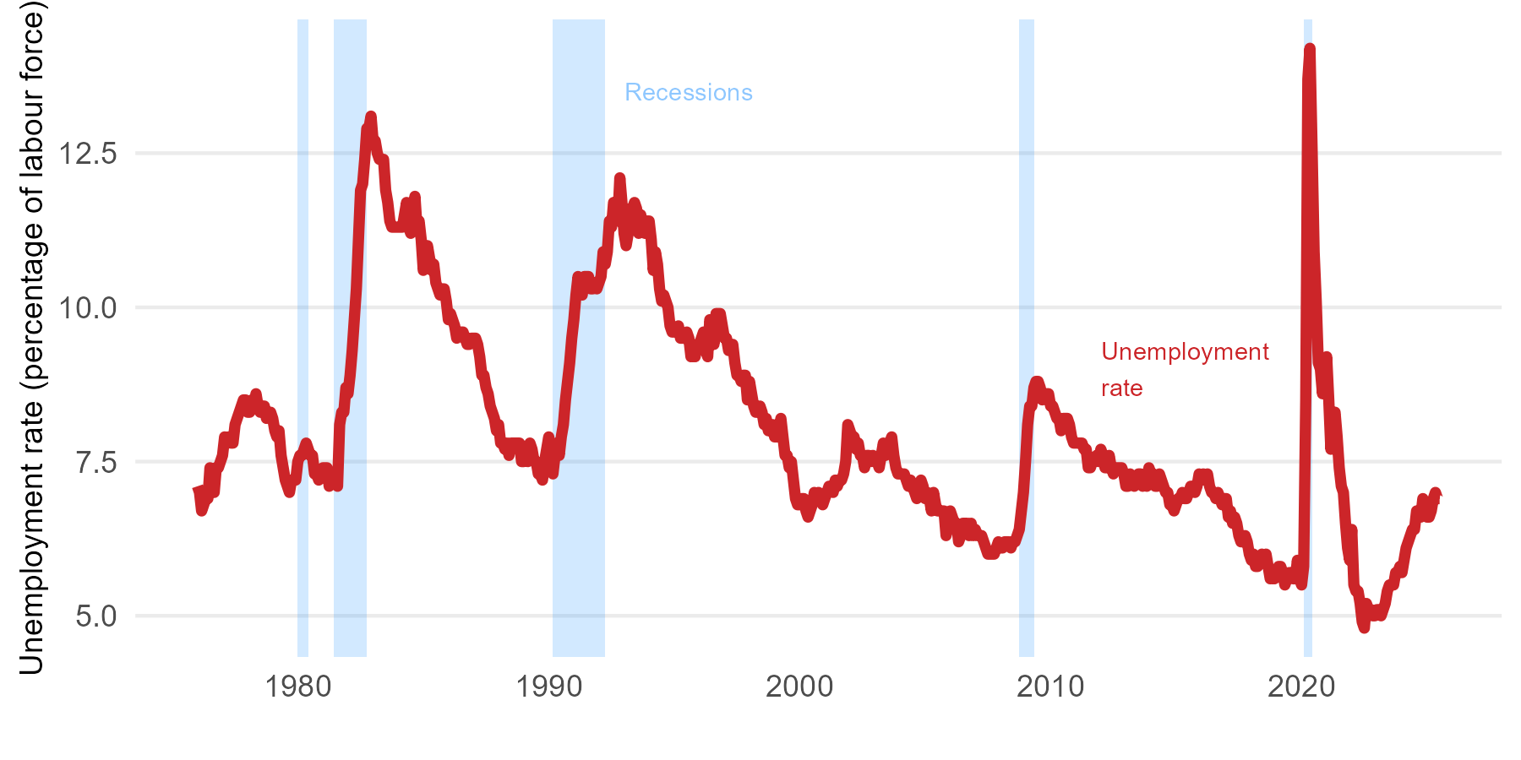
Jun 1976 | 6.9
Jul 1976 | 7.4
Aug 1976 | 7.1
Sep 1976 | 7
Oct 1976 | 7.4
Nov 1976 | 7.4
Dec 1976 | 7.5
Jan 1977 | 7.6
Feb 1977 | 7.9
Mar 1977 | 7.8
Apr 1977 | 7.9
May 1977 | 7.8
Jun 1977 | 7.8
Jul 1977 | 8.1
Aug 1977 | 8.2
Sep 1977 | 8.3
Oct 1977 | 8.4
Nov 1977 | 8.5
Dec 1977 | 8.5
Jan 1978 | 8.3
Feb 1978 | 8.3
Mar 1978 | 8.5
Apr 1978 | 8.4
May 1978 | 8.6
Jun 1978 | 8.4
Jul 1978 | 8.3
Aug 1978 | 8.4
Sep 1978 | 8.4
Oct 1978 | 8.2
Nov 1978 | 8.3
Dec 1978 | 8.3
Jan 1979 | 8.2
Feb 1979 | 8
Mar 1979 | 7.9
Apr 1979 | 8
May 1979 | 7.6
Jun 1979 | 7.4
Jul 1979 | 7.2
Aug 1979 | 7.1
Sep 1979 | 7
Oct 1979 | 7.2
Nov 1979 | 7.2
Dec 1979 | 7.2
Jan 1980 | 7.5
Feb 1980 | 7.6
Mar 1980 | 7.6
Apr 1980 | 7.7
May 1980 | 7.8
Jun 1980 | 7.7
Jul 1980 | 7.6
Aug 1980 | 7.6
Sep 1980 | 7.3
Oct 1980 | 7.3
Nov 1980 | 7.2
Dec 1980 | 7.3
Jan 1981 | 7.4
Feb 1981 | 7.4
Mar 1981 | 7.4
Apr 1981 | 7.1
May 1981 | 7.2
Jun 1981 | 7.2
Jul 1981 | 7.2
Aug 1981 | 7.1
Sep 1981 | 8.1
Oct 1981 | 8.3
Nov 1981 | 8.3
Dec 1981 | 8.7
Jan 1982 | 8.6
Feb 1982 | 8.9
Mar 1982 | 9.3
Apr 1982 | 9.8
May 1982 | 10.3
Jun 1982 | 11.1
Jul 1982 | 11.9
Aug 1982 | 12
Sep 1982 | 12.4
Oct 1982 | 12.9
Nov 1982 | 12.9
Dec 1982 | 13.1
Jan 1983 | 12.7
Feb 1983 | 12.7
Mar 1983 | 12.5
Apr 1983 | 12.4
May 1983 | 12.4
Jun 1983 | 12.4
Jul 1983 | 11.9
Aug 1983 | 11.7
Sep 1983 | 11.4
Oct 1983 | 11.3
Nov 1983 | 11.3
Dec 1983 | 11.3
Jan 1984 | 11.3
Feb 1984 | 11.3
Mar 1984 | 11.3
Apr 1984 | 11.5
May 1984 | 11.7
Jun 1984 | 11.3
Jul 1984 | 11.2
Aug 1984 | 11.3
Sep 1984 | 11.8
Oct 1984 | 11.3
Nov 1984 | 11.4
Dec 1984 | 11.1
Jan 1985 | 10.6
Feb 1985 | 10.8
Mar 1985 | 11
Apr 1985 | 10.8
May 1985 | 10.6
Jun 1985 | 10.7
Jul 1985 | 10.4
Aug 1985 | 10.3
Sep 1985 | 10.2
Oct 1985 | 10.3
Nov 1985 | 10.3
Dec 1985 | 10.1
Jan 1986 | 9.8
Feb 1986 | 9.9
Mar 1986 | 9.8
Apr 1986 | 9.7
May 1986 | 9.5
Jun 1986 | 9.6
Jul 1986 | 9.6
Aug 1986 | 9.6
Sep 1986 | 9.5
Oct 1986 | 9.4
Nov 1986 | 9.4
Dec 1986 | 9.5
Jan 1987 | 9.5
Feb 1987 | 9.5
Mar 1987 | 9.4
Apr 1987 | 9.2
May 1987 | 8.9
Jun 1987 | 8.9
Jul 1987 | 8.7
Aug 1987 | 8.6
Sep 1987 | 8.4
Oct 1987 | 8.3
Nov 1987 | 8.2
Dec 1987 | 8
Jan 1988 | 8.1
Feb 1988 | 7.8
Mar 1988 | 7.8
Apr 1988 | 7.7
May 1988 | 7.8
Jun 1988 | 7.6
Jul 1988 | 7.8
Aug 1988 | 7.8
Sep 1988 | 7.8
Oct 1988 | 7.8
Nov 1988 | 7.8
Dec 1988 | 7.5
Jan 1989 | 7.5
Feb 1989 | 7.6
Mar 1989 | 7.5
Apr 1989 | 7.8
May 1989 | 7.7
Jun 1989 | 7.5
Jul 1989 | 7.5
Aug 1989 | 7.3
Sep 1989 | 7.3
Oct 1989 | 7.2
Nov 1989 | 7.5
Dec 1989 | 7.7
Jan 1990 | 7.9
Feb 1990 | 7.7
Mar 1990 | 7.3
Apr 1990 | 7.6
May 1990 | 7.8
Jun 1990 | 7.6
Jul 1990 | 7.9
Aug 1990 | 8.1
Sep 1990 | 8.5
Oct 1990 | 8.8
Nov 1990 | 9.1
Dec 1990 | 9.5
Jan 1991 | 9.8
Feb 1991 | 10.2
Mar 1991 | 10.5
Apr 1991 | 10.3
May 1991 | 10.2
Jun 1991 | 10.5
Jul 1991 | 10.5
Aug 1991 | 10.5
Sep 1991 | 10.3
Oct 1991 | 10.3
Nov 1991 | 10.4
Dec 1991 | 10.3
Jan 1992 | 10.4
Feb 1992 | 10.5
Mar 1992 | 10.9
Apr 1992 | 10.7
May 1992 | 10.9
Jun 1992 | 11.4
Jul 1992 | 11.3
Aug 1992 | 11.7
Sep 1992 | 11.6
Oct 1992 | 11.4
Nov 1992 | 12.1
Dec 1992 | 11.7
Jan 1993 | 11.2
Feb 1993 | 11
Mar 1993 | 11.2
Apr 1993 | 11.6
May 1993 | 11.6
Jun 1993 | 11.7
Jul 1993 | 11.6
Aug 1993 | 11.2
Sep 1993 | 11.5
Oct 1993 | 11.3
Nov 1993 | 11.2
Dec 1993 | 11.4
Jan 1994 | 11.4
Feb 1994 | 11.1
Mar 1994 | 10.6
Apr 1994 | 10.9
May 1994 | 10.7
Jun 1994 | 10.3
Jul 1994 | 10.1
Aug 1994 | 10.2
Sep 1994 | 10.1
Oct 1994 | 10
Nov 1994 | 9.7
Dec 1994 | 9.6
Jan 1995 | 9.6
Feb 1995 | 9.6
Mar 1995 | 9.7
Apr 1995 | 9.5
May 1995 | 9.5
Jun 1995 | 9.5
Jul 1995 | 9.6
Aug 1995 | 9.5
Sep 1995 | 9.2
Oct 1995 | 9.3
Nov 1995 | 9.2
Dec 1995 | 9.4
Jan 1996 | 9.4
Feb 1996 | 9.5
Mar 1996 | 9.6
Apr 1996 | 9.3
May 1996 | 9.2
Jun 1996 | 9.8
Jul 1996 | 9.7
Aug 1996 | 9.4
Sep 1996 | 9.9
Oct 1996 | 9.9
Nov 1996 | 9.9
Dec 1996 | 9.7
Jan 1997 | 9.5
Feb 1997 | 9.5
Mar 1997 | 9.3
Apr 1997 | 9.4
May 1997 | 9.4
Jun 1997 | 9.1
Jul 1997 | 8.9
Aug 1997 | 8.9
Sep 1997 | 8.8
Oct 1997 | 8.9
Nov 1997 | 8.9
Dec 1997 | 8.5
Jan 1998 | 8.8
Feb 1998 | 8.6
Mar 1998 | 8.4
Apr 1998 | 8.3
May 1998 | 8.3
Jun 1998 | 8.4
Jul 1998 | 8.3
Aug 1998 | 8.1
Sep 1998 | 8.2
Oct 1998 | 8
Nov 1998 | 8
Dec 1998 | 8.1
Jan 1999 | 7.9
Feb 1999 | 7.9
Mar 1999 | 7.9
Apr 1999 | 8.2
May 1999 | 7.9
Jun 1999 | 7.6
Jul 1999 | 7.6
Aug 1999 | 7.4
Sep 1999 | 7.5
Oct 1999 | 7.2
Nov 1999 | 6.9
Dec 1999 | 6.8
Jan 2000 | 6.8
Feb 2000 | 6.9
Mar 2000 | 6.9
Apr 2000 | 6.7
May 2000 | 6.6
Jun 2000 | 6.7
Jul 2000 | 6.8
Aug 2000 | 7
Sep 2000 | 6.9
Oct 2000 | 7
Nov 2000 | 6.9
Dec 2000 | 6.8
Jan 2001 | 6.9
Feb 2001 | 7
Mar 2001 | 7.1
Apr 2001 | 7.1
May 2001 | 7
Jun 2001 | 7.2
Jul 2001 | 7.1
Aug 2001 | 7.2
Sep 2001 | 7.2
Oct 2001 | 7.3
Nov 2001 | 7.5
Dec 2001 | 8.1
Jan 2002 | 8
Feb 2002 | 7.9
Mar 2002 | 7.9
Apr 2002 | 7.7
May 2002 | 7.8
Jun 2002 | 7.6
Jul 2002 | 7.6
Aug 2002 | 7.4
Sep 2002 | 7.6
Oct 2002 | 7.6
Nov 2002 | 7.5
Dec 2002 | 7.6
Jan 2003 | 7.5
Feb 2003 | 7.5
Mar 2003 | 7.4
Apr 2003 | 7.6
May 2003 | 7.8
Jun 2003 | 7.6
Jul 2003 | 7.7
Aug 2003 | 7.8
Sep 2003 | 7.9
Oct 2003 | 7.6
Nov 2003 | 7.4
Dec 2003 | 7.3
Jan 2004 | 7.3
Feb 2004 | 7.3
Mar 2004 | 7.3
Apr 2004 | 7.2
May 2004 | 7.1
Jun 2004 | 7.2
Jul 2004 | 7.1
Aug 2004 | 7
Sep 2004 | 6.9
Oct 2004 | 7.1
Nov 2004 | 7.2
Dec 2004 | 7.1
Jan 2005 | 6.9
Feb 2005 | 7
Mar 2005 | 6.9
Apr 2005 | 6.7
May 2005 | 7
Jun 2005 | 6.8
Jul 2005 | 6.7
Aug 2005 | 6.7
Sep 2005 | 6.7
Oct 2005 | 6.7
Nov 2005 | 6.3
Dec 2005 | 6.6
Jan 2006 | 6.7
Feb 2006 | 6.6
Mar 2006 | 6.5
Apr 2006 | 6.5
May 2006 | 6.2
Jun 2006 | 6.3
Jul 2006 | 6.5
Aug 2006 | 6.5
Sep 2006 | 6.5
Oct 2006 | 6.3
Nov 2006 | 6.5
Dec 2006 | 6.3
Jan 2007 | 6.4
Feb 2007 | 6.3
Mar 2007 | 6.3
Apr 2007 | 6.3
May 2007 | 6.2
Jun 2007 | 6.1
Jul 2007 | 6
Aug 2007 | 6
Sep 2007 | 6
Oct 2007 | 6
Nov 2007 | 6.1
Dec 2007 | 6.2
Jan 2008 | 6.1
Feb 2008 | 6.1
Mar 2008 | 6.2
Apr 2008 | 6.2
May 2008 | 6.2
Jun 2008 | 6.1
Jul 2008 | 6.2
Aug 2008 | 6.2
Sep 2008 | 6.3
Oct 2008 | 6.4
Nov 2008 | 6.7
Dec 2008 | 7
Jan 2009 | 7.5
Feb 2009 | 8.1
Mar 2009 | 8.4
Apr 2009 | 8.4
May 2009 | 8.7
Jun 2009 | 8.8
Jul 2009 | 8.8
Aug 2009 | 8.7
Sep 2009 | 8.5
Oct 2009 | 8.6
Nov 2009 | 8.6
Dec 2009 | 8.6
Jan 2010 | 8.4
Feb 2010 | 8.4
Mar 2010 | 8.3
Apr 2010 | 8.2
May 2010 | 8.2
Jun 2010 | 8
Jul 2010 | 8.2
Aug 2010 | 8.2
Sep 2010 | 8.2
Oct 2010 | 8.1
Nov 2010 | 7.9
Dec 2010 | 7.8
Jan 2011 | 7.8
Feb 2011 | 7.8
Mar 2011 | 7.8
Apr 2011 | 7.8
May 2011 | 7.7
Jun 2011 | 7.7
Jul 2011 | 7.4
Aug 2011 | 7.4
Sep 2011 | 7.5
Oct 2011 | 7.5
Nov 2011 | 7.6
Dec 2011 | 7.5
Jan 2012 | 7.7
Feb 2012 | 7.6
Mar 2012 | 7.4
Apr 2012 | 7.4
May 2012 | 7.6
Jun 2012 | 7.4
Jul 2012 | 7.3
Aug 2012 | 7.4
Sep 2012 | 7.4
Oct 2012 | 7.4
Nov 2012 | 7.4
Dec 2012 | 7.3
Jan 2013 | 7.1
Feb 2013 | 7.1
Mar 2013 | 7.3
Apr 2013 | 7.2
May 2013 | 7.1
Jun 2013 | 7.2
Jul 2013 | 7.3
Aug 2013 | 7.3
Sep 2013 | 7.1
Oct 2013 | 7.3
Nov 2013 | 7.1
Dec 2013 | 7.4
Jan 2014 | 7.3
Feb 2014 | 7.3
Mar 2014 | 7.1
Apr 2014 | 7.1
May 2014 | 7.3
Jun 2014 | 7.2
Jul 2014 | 7.1
Aug 2014 | 7
Sep 2014 | 7
Oct 2014 | 6.8
Nov 2014 | 6.8
Dec 2014 | 6.7
Jan 2015 | 6.8
Feb 2015 | 6.9
Mar 2015 | 6.9
Apr 2015 | 7
May 2015 | 6.9
Jun 2015 | 6.9
Jul 2015 | 7
Aug 2015 | 7.1
Sep 2015 | 7.1
Oct 2015 | 7
Nov 2015 | 7.1
Dec 2015 | 7.3
Jan 2016 | 7.2
Feb 2016 | 7.3
Mar 2016 | 7.2
Apr 2016 | 7.3
May 2016 | 7.1
Jun 2016 | 7
Jul 2016 | 7
Aug 2016 | 6.9
Sep 2016 | 7
Oct 2016 | 6.9
Nov 2016 | 6.8
Dec 2016 | 6.9
Jan 2017 | 6.9
Feb 2017 | 6.6
Mar 2017 | 6.7
Apr 2017 | 6.5
May 2017 | 6.6
Jun 2017 | 6.5
Jul 2017 | 6.3
Aug 2017 | 6.2
Sep 2017 | 6.2
Oct 2017 | 6.3
Nov 2017 | 6.2
Dec 2017 | 6
Jan 2018 | 5.9
Feb 2018 | 6
Mar 2018 | 5.8
Apr 2018 | 5.8
May 2018 | 5.9
Jun 2018 | 6
Jul 2018 | 5.9
Aug 2018 | 6
Sep 2018 | 5.8
Oct 2018 | 5.6
Nov 2018 | 5.7
Dec 2018 | 5.6
Jan 2019 | 5.7
Feb 2019 | 5.8
Mar 2019 | 5.8
Apr 2019 | 5.7
May 2019 | 5.5
Jun 2019 | 5.6
Jul 2019 | 5.7
Aug 2019 | 5.7
Sep 2019 | 5.6
Oct 2019 | 5.6
Nov 2019 | 5.9
Dec 2019 | 5.6
Jan 2020 | 5.5
Feb 2020 | 5.8
Mar 2020 | 8.5
Apr 2020 | 13.7
May 2020 | 14.2
Jun 2020 | 12.6
Jul 2020 | 10.9
Aug 2020 | 10.1
Sep 2020 | 9.1
Oct 2020 | 9
Nov 2020 | 8.6
Dec 2020 | 8.9
Jan 2021 | 9.2
Feb 2021 | 8.5
Mar 2021 | 7.7
Apr 2021 | 8.2
May 2021 | 8.3
Jun 2021 | 7.9
Jul 2021 | 7.4
Aug 2021 | 7.1
Sep 2021 | 7
Oct 2021 | 6.5
Nov 2021 | 6.1
Dec 2021 | 5.9
Jan 2022 | 6.4
Feb 2022 | 5.5
Mar 2022 | 5.4
Apr 2022 | 5.4
May 2022 | 5.2
Jun 2022 | 4.9
Jul 2022 | 4.8
Aug 2022 | 5.2
Sep 2022 | 5.1
Oct 2022 | 5.1
Nov 2022 | 5
Dec 2022 | 5
Jan 2023 | 5.1
Feb 2023 | 5.1
Mar 2023 | 5
Apr 2023 | 5.1
May 2023 | 5.2
Jun 2023 | 5.4
Jul 2023 | 5.5
Aug 2023 | 5.5
Sep 2023 | 5.5
Oct 2023 | 5.7
Nov 2023 | 5.7
Dec 2023 | 5.8
Jan 2024 | 5.7
Feb 2024 | 5.9
Mar 2024 | 6.1
Apr 2024 | 6.2
May 2024 | 6.3
Jun 2024 | 6.4
Jul 2024 | 6.4
Aug 2024 | 6.7
Sep 2024 | 6.6
Oct 2024 | 6.6
Nov 2024 | 6.9
Dec 2024 | 6.7
Jan 2025 | 6.6
Feb 2025 | 6.6
Mar 2025 | 6.7
Apr 2025 | 6.9
May 2025 | 7
Jun 2025 | 6.9
Jul 2025 | 6.9

Fig 8.8
Date | LabProd
1976 Q1 | 79.787936153
1976 Q2 | 80.917309654
1976 Q3 | 80.951178107
1976 Q4 | 80.699868698
1977 Q1 | 81.563804493
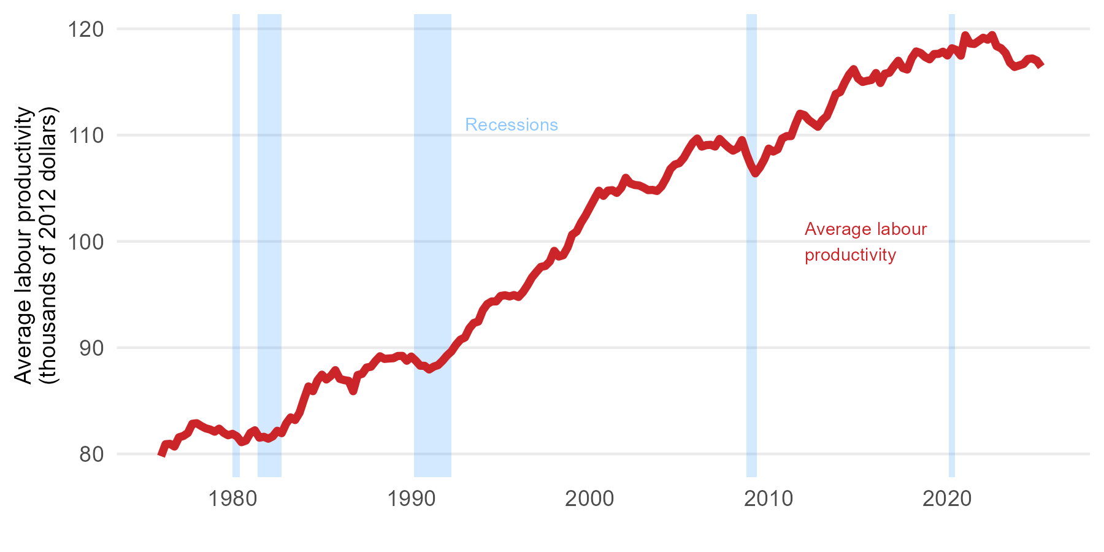
1977 Q2 | 81.697760127
1977 Q3 | 81.975188853
1977 Q4 | 82.841149339
1978 Q1 | 82.89183852
1978 Q2 | 82.62867828
1978 Q3 | 82.412668568
1978 Q4 | 82.296892988
1979 Q1 | 82.098638484
1979 Q2 | 82.380914965
1979 Q3 | 81.997534215
1979 Q4 | 81.761816292
1980 Q1 | 81.893474649
1980 Q2 | 81.649326908
1980 Q3 | 81.109924387
1980 Q4 | 81.263414503
1981 Q1 | 81.985548662
1981 Q2 | 82.227650923
1981 Q3 | 81.532177701
1981 Q4 | 81.616165498
1982 Q1 | 81.439530928
1982 Q2 | 81.657354383
1982 Q3 | 82.182403816
1982 Q4 | 81.956016012
1983 Q1 | 82.862695496
1983 Q2 | 83.438682327
1983 Q3 | 83.193634604
1983 Q4 | 83.879812728
1984 Q1 | 85.165642199
1984 Q2 | 86.355229053
1984 Q3 | 85.909118918
1984 Q4 | 86.919854659
1985 Q1 | 87.461948933
1985 Q2 | 87.005274013
1985 Q3 | 87.346290205
1985 Q4 | 87.884628953
1986 Q1 | 87.068035146
1986 Q2 | 86.949436423
1986 Q3 | 86.878260388
1986 Q4 | 85.905751588
1987 Q1 | 87.422903497
1987 Q2 | 87.535143588
1987 Q3 | 88.133218105
1987 Q4 | 88.211417368
1988 Q1 | 88.748229224
1988 Q2 | 89.190593318
1988 Q3 | 88.944859896
1988 Q4 | 88.982613993
1989 Q1 | 89.011976973
1989 Q2 | 89.219721605
1989 Q3 | 89.227837206
1989 Q4 | 88.771456296
1990 Q1 | 89.166590452
1990 Q2 | 88.774557109
1990 Q3 | 88.304726818
1990 Q4 | 88.291447742
1991 Q1 | 87.948636134
1991 Q2 | 88.21422745
1991 Q3 | 88.36096871
1991 Q4 | 88.768028596
1992 Q1 | 89.266649959
1992 Q2 | 89.652977101
1992 Q3 | 90.276895476
1992 Q4 | 90.759366225
1993 Q1 | 90.955954349
1993 Q2 | 91.818507132
1993 Q3 | 92.326435681
1993 Q4 | 92.458207515
1994 Q1 | 93.513633014
1994 Q2 | 94.099952301
1994 Q3 | 94.348220134
1994 Q4 | 94.355216793
1995 Q1 | 94.867071967
1995 Q2 | 94.929784065
1995 Q3 | 94.82492934
1995 Q4 | 94.947824522
1996 Q1 | 94.772297646
1996 Q2 | 95.22998017
1996 Q3 | 95.865908899
1996 Q4 | 96.60483631
1997 Q1 | 97.119314631
1997 Q2 | 97.600859691
1997 Q3 | 97.688088172
1997 Q4 | 98.107271306
1998 Q1 | 99.108191724
1998 Q2 | 98.574828417
1998 Q3 | 98.69829954
1998 Q4 | 99.443046362
1999 Q1 | 100.63084925
1999 Q2 | 100.92571726
1999 Q3 | 101.76293265
1999 Q4 | 102.43702405
2000 Q1 | 103.22081486
2000 Q2 | 104.00215808
2000 Q3 | 104.7672496
2000 Q4 | 104.28335503
2001 Q1 | 104.77574048
2001 Q2 | 104.81427072
2001 Q3 | 104.56177732
2001 Q4 | 105.03625414
2002 Q1 | 105.98381664
2002 Q2 | 105.46138638
2002 Q3 | 105.30811964
2002 Q4 | 105.25978755
2003 Q1 | 105.06554309
2003 Q2 | 104.82437264
2003 Q3 | 104.84234062
2003 Q4 | 104.74426938
2004 Q1 | 105.16417489
2004 Q2 | 105.90925955
2004 Q3 | 106.81575533
2004 Q4 | 107.23088168
2005 Q1 | 107.36739418
2005 Q2 | 107.86726852
2005 Q3 | 108.61130698
2005 Q4 | 109.27497474
2006 Q1 | 109.67716077
2006 Q2 | 108.91703067
2006 Q3 | 109.05163941
2006 Q4 | 109.08687804
2007 Q1 | 108.92181296
2007 Q2 | 109.63829842
2007 Q3 | 109.21799647
2007 Q4 | 108.83151595
2008 Q1 | 108.53594722
2008 Q2 | 108.75397411
2008 Q3 | 109.5298532
2008 Q4 | 108.22524032
2009 Q1 | 107.17350859
2009 Q2 | 106.39621634
2009 Q3 | 106.94643794
2009 Q4 | 107.7034624
2010 Q1 | 108.72924698
2010 Q2 | 108.44997731
2010 Q3 | 108.66032019
2010 Q4 | 109.67752887
2011 Q1 | 109.90253358
2011 Q2 | 109.90454847
2011 Q3 | 111.04375089
2011 Q4 | 112.01317294
2012 Q1 | 111.87616313
2012 Q2 | 111.40324751
2012 Q3 | 111.09383667
2012 Q4 | 110.78144414
2013 Q1 | 111.4123077
2013 Q2 | 111.78189939
2013 Q3 | 112.76128755
2013 Q4 | 113.86190561
2014 Q1 | 114.04593756
2014 Q2 | 114.93186364
2014 Q3 | 115.70193196
2014 Q4 | 116.20310779
2015 Q1 | 115.32713705
2015 Q2 | 115.00069159
2015 Q3 | 115.10548539
2015 Q4 | 115.18906917
2016 Q1 | 115.83974175
2016 Q2 | 114.90249268
2016 Q3 | 115.77592325
2016 Q4 | 115.86448391
2017 Q1 | 116.46456382
2017 Q2 | 116.99377137
2017 Q3 | 116.31113032
2017 Q4 | 116.16700782
2018 Q1 | 117.23957101
2018 Q2 | 117.86859063
2018 Q3 | 117.71825309
2018 Q4 | 117.34694779
2019 Q1 | 117.12836001
2019 Q2 | 117.62295541
2019 Q3 | 117.64437454
2019 Q4 | 117.84649094
2020 Q1 | 117.48931211
2020 Q2 | 118.16815068
2020 Q3 | 118.0033052
2020 Q4 | 117.47059066
2021 Q1 | 119.38842981
2021 Q2 | 118.62310871
2021 Q3 | 118.57034
2021 Q4 | 118.85922705
2022 Q1 | 119.16082018
2022 Q2 | 118.97478889
2022 Q3 | 119.41081247
2022 Q4 | 118.36182867
2023 Q1 | 118.17061254
2023 Q2 | 117.72100714
2023 Q3 | 116.80541242
2023 Q4 | 116.40990687
2024 Q1 | 116.54801915
2024 Q2 | 116.68841675
2024 Q3 | 117.1575228
2024 Q4 | 117.20570831
2025 Q1 | 117.00456554
2025 Q2 | 116.43020159
2025 Q3

Fig 8.9
Date | M2growth
Jul 1968 | 12.966776075
Aug 1968 | 15.013694209
Sep 1968 | 15.71736738
Oct 1968 | 15.008339429
Nov 1968 | 14.163151352
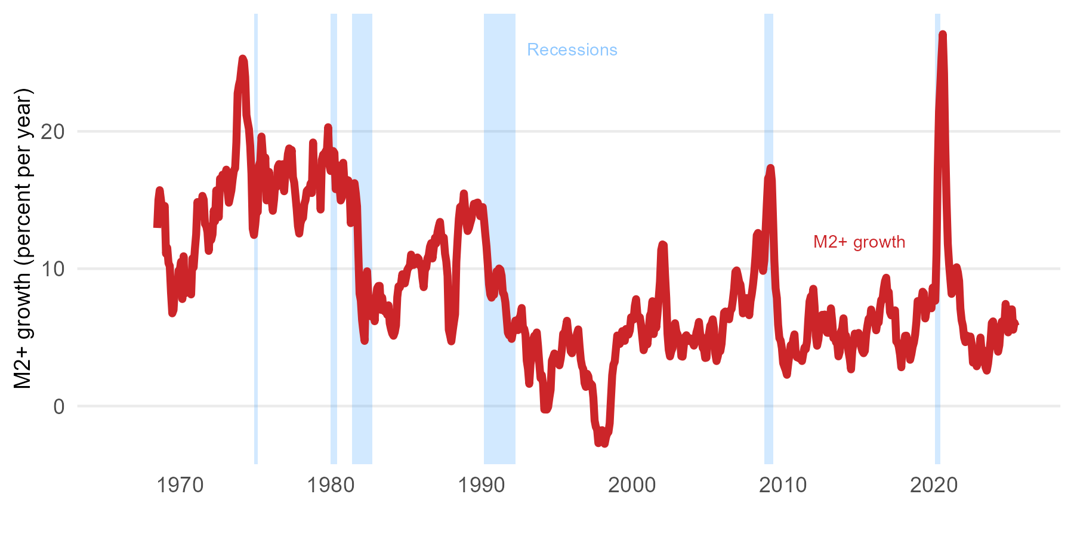
Dec 1968 | 14.319662766
Jan 1969 | 14.565912611
Feb 1969 | 11.093401986
Mar 1969 | 11.519352035
Apr 1969 | 10.397606381
May 1969 | 10.203544223
Jun 1969 | 8.2537037787
Jul 1969 | 6.749416607
Aug 1969 | 6.9935294367
Sep 1969 | 8.5464129328
Oct 1969 | 8.3692319917
Nov 1969 | 8.273266359
Dec 1969 | 9.8582611204
Jan 1970 | 9.9112160495
Feb 1970 | 10.507220756
Mar 1970 | 7.7906645804
Apr 1970 | 10.903259628
May 1970 | 8.1961013566
Jun 1970 | 9.0773477478
Jul 1970 | 8.5023567869
Aug 1970 | 9.0014311781
Sep 1970 | 9.0934435288
Oct 1970 | 8.1255612041
Nov 1970 | 10.744423194
Dec 1970 | 10.0971199
Jan 1971 | 11.427827472
Feb 1971 | 12.506561943
Mar 1971 | 14.85254841
Apr 1971 | 13.964704965
May 1971 | 13.819303557
Jun 1971 | 14.3299854
Jul 1971 | 15.301807924
Aug 1971 | 15.027038509
Sep 1971 | 13.251871176
Oct 1971 | 13.133218618
Nov 1971 | 12.657840175
Dec 1971 | 11.295491389
Jan 1972 | 12.745697592
Feb 1972 | 12.098856611
Mar 1972 | 12.495401134
Apr 1972 | 14.22899042
May 1972 | 13.448401295
Jun 1972 | 15.698827307
Jul 1972 | 14.284592545
Aug 1972 | 13.751362471
Sep 1972 | 16.55617602
Oct 1972 | 15.992472643
Nov 1972 | 16.842583187
Dec 1972 | 16.527674686
Jan 1973 | 16.4698895
Feb 1973 | 17.213425082
Mar 1973 | 15.681608167
Apr 1973 | 14.802885395
May 1973 | 15.242648222
Jun 1973 | 15.690285191
Jul 1973 | 16.501312895
Aug 1973 | 17.144059923
Sep 1973 | 17.309073325
Oct 1973 | 19.191526063
Nov 1973 | 22.768360402
Dec 1973 | 23.348321305
Jan 1974 | 23.73300171
Feb 1974 | 24.574612128
Mar 1974 | 25.299565253
Apr 1974 | 25.091271771
May 1974 | 23.952156879
Jun 1974 | 21.186973583
Jul 1974 | 20.6527072
Aug 1974 | 20.165994369
Sep 1974 | 18.935816
Oct 1974 | 16.920396709
Nov 1974 | 12.907810848
Dec 1974 | 12.454565894
Jan 1975 | 13.218452691
Feb 1975 | 14.259427449
Mar 1975 | 14.136261462
Apr 1975 | 17.510830899
May 1975 | 17.820304732
Jun 1975 | 19.619936581
Jul 1975 | 18.317876993
Aug 1975 | 16.492280019
Sep 1975 | 18.093498143
Oct 1975 | 14.97176151
Nov 1975 | 15.137570465
Dec 1975 | 17.05029974
Jan 1976 | 15.045762963
Feb 1976 | 15.005433624
Mar 1976 | 14.214169466
Apr 1976 | 15.045635783
May 1976 | 16.34673372
Jun 1976 | 15.950016232
Jul 1976 | 17.411036379
Aug 1976 | 17.618132473
Sep 1976 | 16.483263715
Oct 1976 | 16.316130181
Nov 1976 | 17.609046355
Dec 1976 | 15.637743179
Jan 1977 | 17.00147268
Feb 1977 | 17.373913538
Mar 1977 | 18.347016794
Apr 1977 | 18.756451724
May 1977 | 17.85040039
Jun 1977 | 18.642864393
Jul 1977 | 16.665050133
Aug 1977 | 16.275247067
Sep 1977 | 15.332073782
Oct 1977 | 14.320701648
Nov 1977 | 13.09443108
Dec 1977 | 12.557782568
Jan 1978 | 13.302738171
Feb 1978 | 13.603481878
Mar 1978 | 13.698338807
Apr 1978 | 14.692626108
May 1978 | 14.996372609
Jun 1978 | 15.655064873
Jul 1978 | 15.770223482
Aug 1978 | 15.562149135
Sep 1978 | 16.192581626
Oct 1978 | 15.507220509
Nov 1978 | 19.188675586
Dec 1978 | 16.277540654
Jan 1979 | 16.636610015
Feb 1979 | 16.862491244
Mar 1979 | 16.206853405
Apr 1979 | 16.975236388
May 1979 | 14.307099367
Jun 1979 | 17.926148761
Jul 1979 | 18.304429627
Aug 1979 | 18.278940725
Sep 1979 | 18.548991529
Oct 1979 | 18.561360039
Nov 1979 | 20.302067658
Dec 1979 | 17.541802807
Jan 1980 | 17.11129588
Feb 1980 | 17.245392083
Mar 1980 | 18.566422728
Apr 1980 | 18.422592463
May 1980 | 15.789605064
Jun 1980 | 17.543116927
Jul 1980 | 16.879847607
Aug 1980 | 15.993080662
Sep 1980 | 14.96565478
Oct 1980 | 15.196330938
Nov 1980 | 17.712399644
Dec 1980 | 16.177621579
Jan 1981 | 15.560144096
Feb 1981 | 16.454316958
Mar 1981 | 16.433604132
Apr 1981 | 16.050690008
May 1981 | 13.316988175
Jun 1981 | 15.015970915
Jul 1981 | 16.040788438
Aug 1981 | 16.229071584
Sep 1981 | 15.490448884
Oct 1981 | 14.536541275
Nov 1981 | 11.174091931
Dec 1981 | 8.1855009238
Jan 1982 | 7.6818594136
Feb 1982 | 6.254492886
Mar 1982 | 5.432822457
Apr 1982 | 4.7424304868
May 1982 | 8.4420418181
Jun 1982 | 9.8121638057
Jul 1982 | 7.9210028424
Aug 1982 | 7.07371258
Sep 1982 | 6.5392093742
Oct 1982 | 6.4969623201
Nov 1982 | 7.1385143048
Dec 1982 | 6.175285564
Jan 1983 | 7.8708073202
Feb 1983 | 8.5786611928
Mar 1983 | 8.742655484
Apr 1983 | 8.7511450017
May 1983 | 7.0046891938
Jun 1983 | 7.9021565775
Jul 1983 | 7.0193347462
Aug 1983 | 6.8828803367
Sep 1983 | 7.181398843
Oct 1983 | 6.6418686532
Nov 1983 | 7.3347612772
Dec 1983 | 6.0273267538
Jan 1984 | 5.6041536621
Feb 1984 | 5.2749217199
Mar 1984 | 5.1161007604
Apr 1984 | 5.3750250988
May 1984 | 5.8805908334
Jun 1984 | 7.9240142535
Jul 1984 | 8.7132254449
Aug 1984 | 8.623330611
Sep 1984 | 8.915589214
Oct 1984 | 9.5944402393
Nov 1984 | 9.0562684006
Dec 1984 | 8.9308130589
Jan 1985 | 9.3829404869
Feb 1985 | 9.9118487661
Mar 1985 | 10.083772752
Apr 1985 | 10.183089108
May 1985 | 11.025147447
Jun 1985 | 10.677086954
Jul 1985 | 10.272373196
Aug 1985 | 10.432602184
Sep 1985 | 10.759756016
Oct 1985 | 10.819459919
Nov 1985 | 10.714283834
Dec 1985 | 10.235041409
Jan 1986 | 10.348124872
Feb 1986 | 9.3456712442
Mar 1986 | 8.6549639965
Apr 1986 | 9.9640495266
May 1986 | 10.05992407
Jun 1986 | 10.751976035
Jul 1986 | 10.960094815
Aug 1986 | 11.590667271
Sep 1986 | 11.862250146
Oct 1986 | 10.743972219
Nov 1986 | 11.519501658
Dec 1986 | 12.246807149
Jan 1987 | 11.839891606
Feb 1987 | 12.647511186
Mar 1987 | 13.074887688
Apr 1987 | 13.406774565
May 1987 | 12.436957352
Jun 1987 | 12.128525374
Jul 1987 | 12.267929399
Aug 1987 | 11.09720695
Sep 1987 | 10.527655764
Oct 1987 | 9.459662378
Nov 1987 | 5.5554675851
Dec 1987 | 5.1479927056
Jan 1988 | 4.7093842464
Feb 1988 | 5.4236145983
Mar 1988 | 6.0737931646
Apr 1988 | 6.6797445379
May 1988 | 10.4812734
Jun 1988 | 12.172488354
Jul 1988 | 13.643829733
Aug 1988 | 14.488778589
Sep 1988 | 14.561101001
Oct 1988 | 14.433840023
Nov 1988 | 15.47955729
Dec 1988 | 14.315569515
Jan 1989 | 13.300162282
Feb 1989 | 12.742561349
Mar 1989 | 12.949972035
Apr 1989 | 13.298298765
May 1989 | 13.612295313
Jun 1989 | 14.238080257
Jul 1989 | 14.722951473
Aug 1989 | 14.667274193
Sep 1989 | 14.786956432
Oct 1989 | 14.81814263
Nov 1989 | 14.382246332
Dec 1989 | 13.823173349
Jan 1990 | 14.224045722
Feb 1990 | 14.486974118
Mar 1990 | 13.561618937
Apr 1990 | 12.536169167
May 1990 | 11.610029385
Jun 1990 | 10.319736409
Jul 1990 | 8.8535474646
Aug 1990 | 8.1204121995
Sep 1990 | 7.8903977185
Oct 1990 | 8.1000723304
Nov 1990 | 8.1015315684
Dec 1990 | 9.0407709986
Jan 1991 | 9.8073009433
Feb 1991 | 9.5144857975
Mar 1991 | 10.013910908
Apr 1991 | 9.9250158777
May 1991 | 9.490439735
Jun 1991 | 8.2462629411
Jul 1991 | 8.1086188285
Aug 1991 | 7.5535303553
Sep 1991 | 6.4567588313
Oct 1991 | 5.3425437764
Nov 1991 | 5.1395299644
Dec 1991 | 5.7535932136
Jan 1992 | 4.887494862
Feb 1992 | 5.4306418243
Mar 1992 | 5.5686098912
Apr 1992 | 6.2245705525
May 1992 | 6.144988555
Jun 1992 | 5.5280463705
Jul 1992 | 6.3806369972
Aug 1992 | 6.5860470642
Sep 1992 | 7.1389410022
Oct 1992 | 5.6517568402
Nov 1992 | 5.6232629683
Dec 1992 | 5.2075544186
Jan 1993 | 3.3124028937
Feb 1993 | 2.6987353809
Mar 1993 | 1.6136783066
Apr 1993 | 3.041243983
May 1993 | 3.5638772286
Jun 1993 | 4.8135297116
Jul 1993 | 5.1128130483
Aug 1993 | 5.0613688536
Sep 1993 | 5.3588334093
Oct 1993 | 4.3442414833
Nov 1993 | 3.0912291209
Dec 1993 | 2.0255578741
Jan 1994 | 2.2607476295
Feb 1994 | 1.6259946426
Mar 1994 | -0.25168142858
Apr 1994 | 0.12864189541
May 1994 | -0.25749854641
Jun 1994 | -0.07384785336
Jul 1994 | 0.59894765901
Aug 1994 | 1.1789209047
Sep 1994 | 3.2989509606
Oct 1994 | 3.5514953639
Nov 1994 | 3.8286367082
Dec 1994 | 3.6915963196
Jan 1995 | 3.5294097445
Feb 1995 | 3.1481570073
Mar 1995 | 2.9653639515
Apr 1995 | 3.4352291542
May 1995 | 4.1621774898
Jun 1995 | 5.2645708933
Jul 1995 | 5.1641687192
Aug 1995 | 5.6825850947
Sep 1995 | 6.2102901798
Oct 1995 | 5.3195940125
Nov 1995 | 4.9567444332
Dec 1995 | 3.98065734
Jan 1996 | 3.8433585325
Feb 1996 | 4.3524190015
Mar 1996 | 4.2150685686
Apr 1996 | 4.6631052464
May 1996 | 5.2826381293
Jun 1996 | 5.5791351434
Jul 1996 | 4.3740659696
Aug 1996 | 3.3780133563
Sep 1996 | 2.8863834457
Oct 1996 | 2.6819279361
Nov 1996 | 1.6695899916
Dec 1996 | 1.3946384469
Jan 1997 | 2.3475815755
Feb 1997 | 2.1674823582
Mar 1997 | 1.4378497362
Apr 1997 | 1.6280513055
May 1997 | 1.5230595563
Jun 1997 | 0.61320245627
Jul 1997 | -1.0562393908
Aug 1997 | -1.5234671111
Sep 1997 | -1.6963489708
Oct 1997 | -2.7008339529
Nov 1997 | -2.5724634991
Dec 1997 | -2.551987302
Jan 1998 | -1.7554005627
Feb 1998 | -2.3267038516
Mar 1998 | -2.7511671821
Apr 1998 | -2.2839173736
May 1998 | -1.9897128114
Jun 1998 | -1.8959520102
Jul 1998 | -1.2507203851
Aug 1998 | 0.55495584595
Sep 1998 | 2.2510537767
Oct 1998 | 3.0187258962
Nov 1998 | 3.2163736886
Dec 1998 | 4.1865161205
Jan 1999 | 5.1363321868
Feb 1999 | 4.6421375808
Mar 1999 | 4.519563208
Apr 1999 | 5.0846596029
May 1999 | 5.454705034
Jun 1999 | 5.1895693586
Jul 1999 | 4.7454361616
Aug 1999 | 5.611539317
Sep 1999 | 5.4607137857
Oct 1999 | 5.2047895876
Nov 1999 | 5.4964761298
Dec 1999 | 6.4595522868
Jan 2000 | 6.3419144079
Feb 2000 | 6.2972260398
Mar 2000 | 7.2822926869
Apr 2000 | 7.7830468648
May 2000 | 6.692032933
Jun 2000 | 6.4666439889
Jul 2000 | 6.4614459266
Aug 2000 | 5.8671354981
Sep 2000 | 4.9598776896
Oct 2000 | 4.0649707264
Nov 2000 | 4.4903780619
Dec 2000 | 5.3880811222
Jan 2001 | 4.4936787237
Feb 2001 | 5.478221872
Mar 2001 | 6.5760275485
Apr 2001 | 6.8107767706
May 2001 | 7.6354790417
Jun 2001 | 5.2398772076
Jul 2001 | 6.503091895
Aug 2001 | 5.6949781913
Sep 2001 | 6.7077956715
Oct 2001 | 7.8472790143
Nov 2001 | 9.066525604
Dec 2001 | 11.360266372
Jan 2002 | 11.768588644
Feb 2002 | 11.710956833
Mar 2002 | 9.6135113611
Apr 2002 | 7.8650829072
May 2002 | 5.2455430014
Jun 2002 | 4.0814954512
Jul 2002 | 3.6140435567
Aug 2002 | 3.9873080528
Sep 2002 | 4.2145773088
Oct 2002 | 5.3942761613
Nov 2002 | 6.0299765479
Dec 2002 | 5.4132193939
Jan 2003 | 5.2221635331
Feb 2003 | 4.8786832811
Mar 2003 | 4.8490081163
Apr 2003 | 3.6239877767
May 2003 | 3.593661231
Jun 2003 | 4.4397414244
Jul 2003 | 5.0413744182
Aug 2003 | 5.1568479496
Sep 2003 | 4.8326456613
Oct 2003 | 4.7325431839
Nov 2003 | 4.9335988642
Dec 2003 | 4.7825494719
Jan 2004 | 4.623750346
Feb 2004 | 4.3982225416
Mar 2004 | 4.6774443681
Apr 2004 | 5.3528720456
May 2004 | 5.6706738891
Jun 2004 | 6.1240852372
Jul 2004 | 5.1989541157
Aug 2004 | 5.0197171623
Sep 2004 | 4.2276689785
Oct 2004 | 4.1374768386
Nov 2004 | 3.4979872813
...

Fig 8.10
Ref_Date | Rates
Jul 1960 | 3.0266666667
Aug 1960 | 2.66
Sep 1960 | 1.9328571429
Oct 1960 | 2.5936842105
Nov 1960 | 3.3780952381
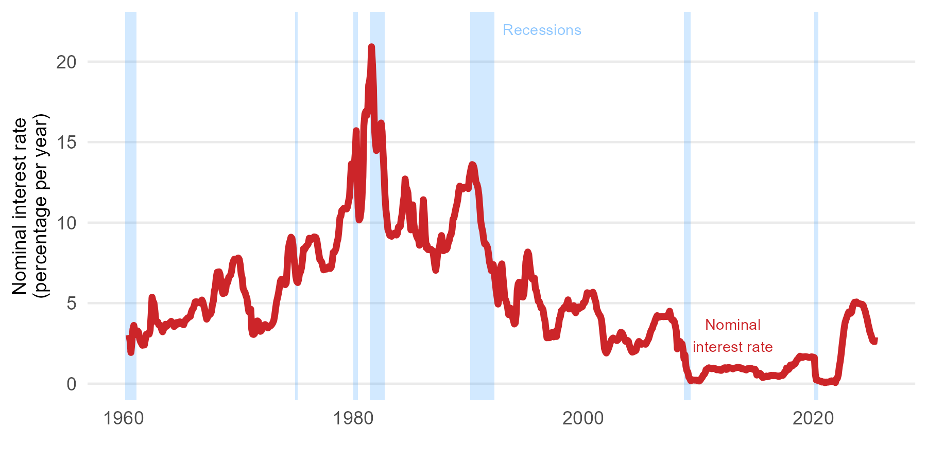
Dec 1960 | 3.6180952381
Jan 1961 | 3.1995238095
Feb 1961 | 3.0585
Mar 1961 | 3.2081818182
Apr 1961 | 3.2757894737
May 1961 | 3.1822727273
Jun 1961 | 2.7971428571
Jul 1961 | 2.6
Aug 1961 | 2.4995652174
Sep 1961 | 2.381
Oct 1961 | 2.5266666667
Nov 1961 | 2.3990909091
Dec 1961 | 2.7352631579
Jan 1962 | 3.0668181818
Feb 1962 | 3.0855
Mar 1962 | 3.1068181818
Apr 1962 | 3.0742105263
May 1962 | 3.3177272727
Jun 1962 | 4.24
Jul 1962 | 5.3725
Aug 1962 | 5.12
Sep 1962 | 5.0105555556
Oct 1962 | 4.515
Nov 1962 | 3.8590909091
Dec 1962 | 3.835
Jan 1963 | 3.8318181818
Feb 1963 | 3.6535
Mar 1963 | 3.619047619
Apr 1963 | 3.5955
May 1963 | 3.3717647059
Jun 1963 | 3.2184210526
Jul 1963 | 3.3722727273
Aug 1963 | 3.6019047619
Sep 1963 | 3.688
Oct 1963 | 3.5513636364
...

